Composition
$$y_{i} ×{MW}_{ i}$$
$$y_{i} ×T_{c, i}$$
$$y_{i} ×P_{c, i}$$
$$y_{i} ×ω_{c, i}$$
1000 | Pseudo-Crital Properties from Gas Composition
 | Component | Formula | Composition | MW | Tc | Pc | w |  |  |  |  | Pseudo Properties |  |  | Adjustment for Nonhydrocarbon
 |  |  | y |  |  |  |  |  |  |  |  |  |  |  | Wichert & Aziz Correlation
 |  |  | % |  | ºF | psi
$${MW}_{g}= \sum_{i=1}^{n}{y_{i} {MW}_{c, i}}$$
 | CARBON DIOXIDE | CO2 | 0.10 | 44.00 | 87.9 | 1071 | 0.2276 | 0.0440 | 0.0879 | 1.0710 | 0.0002 |  | 19.12 |  | Carbon Dioxide | 0.001 | decimal
 | HYDROGEN SULFIDE | H2S | 0.00 | 34.10 | 212.5 | 1300 | 0.0827 | -- | -- | -- | -- |  |  |  | Hydrogen Sulfide | 0.000 | decimal
$$A=y_{{CO}_{2}}+y_{H_{2}S}$$
 | NITROGEN | N2 | 2.10 | 28.01 | -232.5 | 493.1 | 0.0403 | 0.5883 | -4.9 | 10.3551 | 0.0008 |  |  |  |  | 0.001
$${SG}_{g}=\frac{{MW}_{g}}{28.967}$$
 | METHANE | CH4 | 86.10 | 16.00 | -116.7 | 666.4 | 0.0108 | 13.7760 | -100.5 | 573.7704 | 0.0093 |  | 0.6600
$$B=y_{H_{2}S}$$
 | ETHANE | C2H6 | 5.90 | 30.07 | 89.9 | 706.5 | 0.0990 | 1.7741 | 5.3041 | 41.6835 | 0.0058 |  |  |  |  | 0.000
 | PROPANE | C3H8 | 3.60 | 44.10 | 206.1 | 616 | 0.1517 | 1.5876 | 7.4196 | 22.1760 | 0.0055
$$T_{pc}= \sum_{i=1}^{n}{y_{i} T_{c, i}}$$
$$ε=120\left(A^{0.9}−A^{1.6}\right)+15\left(B^{0.5}−B^{4}\right)$$
 | N-BUTANE | C4H10 | 1.70 | 58.10 | 305.6 | 550.6 | 0.1931 | 0.9877 | 5.1952 | 9.3602 | 0.0033 |  | -85.43 |  |  | 0.238 | ºR
 | ISOBUTANE | C4H10 | 0.00 | 58.10 | 274.5 | 527.9 | 0.1770 | -- | -- | -- | -- |  |  | ºF
 | N-PENTANE | C5H12 | 0.50 | 72.20 | 385.8 | 488.6 | 0.2486 | 0.3610 | 1.9290 | 2.4430 | 0.0012 |  |  |  | Tpc | 374.575 | ºR
$$P_{pc}= \sum_{i=1}^{n}{y_{i} P_{c, i}}$$
 | ISOPENTANE | C5H12 | 0.00 | 72.20 | 369.1 | 490.4 | 0.2275 | -- | -- | -- | -- |  | 660.86 |  |  | 374.34
$$T_{pc}^{′}=T_{pc}−ε$$
 | N-HEXANE | C6H14 | 0.00 | 86.20 | 453.6 | 436.9 | 0.3047 | -- | -- | -- | -- |  |  | psi |  |  | ºR
 | N-HEPTANE | C7H16 | 0.00 | 100.20 | 512.7 | 396.8 | 0.3494 | -- | -- | -- | --
$$ω_{pc}= \sum_{i=1}^{n}{y_{i} ω_{c, i}}$$
$$P_{pc}^{′}=P_{pc} \frac{T_{pc}^{′}}{\left[T_{pc}+B\left(1−B\right)ε\right]}$$
 | N-OCTANE | C8H18 | 0.00 | 114.20 | 564.2 | 360.7 | 0.3962 | -- | -- | -- | -- |  | 0.02620 |  |  | 660.44
 | N-NONANE | C9H20 | 0.00 | 128.30 | 610.7 | 331.8 | 0.4368 | -- | -- | -- | -- |  |  |  |  |  | psi
 | N-DECANE | C10H22 | 0.00 | 142.30 | 652 | 305.2 | 0.4842 | -- | -- | -- | --

$$\sum_{i=1}^{n}{y_{i}}$$
 |  |  | 100.00

Gas Properties PR EOS
Temperature | 60.0 | ºF
Pressure Min | 100.0 | psi
Pressure Max | 10000.0 | psi
Press Increment | 100.0 | psi

$$T_{pr}=\frac{T}{T_{pc}}$$
$$P_{pr}=\frac{P}{P_{pc}}$$
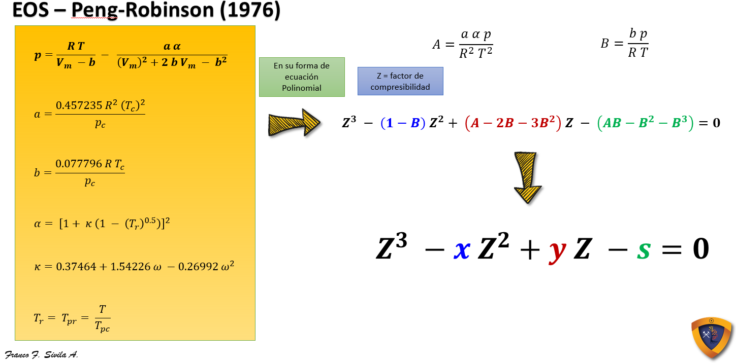
 |  |  | EOS - Peng-Robinson (1976) |  |  |  |  |  |  |  |  |  |  |  | Gas | Gas
Pressure |  |  |  |  |  |  |  |  | Cubic Equation Coefficients |  |  | Real Roots | Bg | Bg | Density | Viscosity
psi |  |  | k | a | a | b | A | B | x | y | s | Z | bbl/scf | cf/scf | lbm/ft3 | cp
100 | 1.3891 | 0.1514 | 0.41486 | 0.85729 | 11172.74360 | 0.47321 | 0.0307577 | 0.0084798 | -0.99152 | 0.01358 | -0.00019 | 0.97783 | 0.02563 | 0.14390 | 0.35029 | 0.01057
200 | 1.3891 | 0.3028 | 0.41486 | 0.85729 | 11172.74360 | 0.47321 | 0.06152 | 0.01696 | -0.98304 | 0.02673 | -0.00075 | 0.95590 | 0.01253 | 0.07034 | 0.71664 | 0.01072
300 | 1.3891 | 0.4542 | 0.41486 | 0.85729 | 11172.74360 | 0.47321 | 0.09227 | 0.02544 | -0.97456 | 0.03945 | -0.00168 | 0.93426 | 0.00816 | 0.04583 | 1.09986 | 0.01090
400 | 1.3891 | 0.6057 | 0.41486 | 0.85729 | 11172.74360 | 0.47321 | 0.12303 | 0.03392 | -0.96608 | 0.05174 | -0.00298 | 0.91299 | 0.00598 | 0.03359 | 1.50065 | 0.01111
500 | 1.3891 | 0.7571 | 0.41486 | 0.85729 | 11172.74360 | 0.47321 | 0.15379 | 0.04240 | -0.95760 | 0.06360 | -0.00465 | 0.89215 | 0.00468 | 0.02626 | 1.91963 | 0.01134
600 | 1.3891 | 0.9085 | 0.41486 | 0.85729 | 11172.74360 | 0.47321 | 0.18455 | 0.05088 | -0.94912 | 0.07502 | -0.00667 | 0.87184 | 0.00381 | 0.02138 | 2.35722 | 0.01161
700 | 1.3891 | 1.0599 | 0.41486 | 0.85729 | 11172.74360 | 0.47321 | 0.21530 | 0.05936 | -0.94064 | 0.08602 | -0.00905 | 0.85216 | 0.00319 | 0.01791 | 2.81360 | 0.01190
800 | 1.3891 | 1.2113 | 0.41486 | 0.85729 | 11172.74360 | 0.47321 | 0.24606 | 0.06784 | -0.93216 | 0.09658 | -0.01178 | 0.83322 | 0.00273 | 0.01533 | 3.28864 | 0.01222
900 | 1.3891 | 1.3627 | 0.41486 | 0.85729 | 11172.74360 | 0.47321 | 0.27682 | 0.07632 | -0.92368 | 0.10671 | -0.01486 | 0.81513 | 0.00237 | 0.01333 | 3.78182 | 0.01257
1000 | 1.3891 | 1.5141 | 0.41486 | 0.85729 | 11172.74360 | 0.47321 | 0.30758 | 0.08480 | -0.91520 | 0.11641 | -0.01828 | 0.79804 | 0.00209 | 0.01174 | 4.29201 | 0.01296
1100 | 1.3891 | 1.6656 | 0.41486 | 0.85729 | 11172.74360 | 0.47321 | 0.33834 | 0.09328 | -0.90672 | 0.12568 | -0.02205 | 0.78207 | 0.00186 | 0.01046 | 4.81762 | 0.01339
1200 | 1.3891 | 1.8170 | 0.41486 | 0.85729 | 11172.74360 | 0.47321 | 0.36909 | 0.10176 | -0.89824 | 0.13452 | -0.02615 | 0.76736 | 0.00168 | 0.00941 | 5.35634 | 0.01385
1300 | 1.3891 | 1.9684 | 0.41486 | 0.85729 | 11172.74360 | 0.47321 | 0.39985 | 0.11024 | -0.88976 | 0.14292 | -0.03059 | 0.75402 | 0.00152 | 0.00854 | 5.90536 | 0.01435
1400 | 1.3891 | 2.1198 | 0.41486 | 0.85729 | 11172.74360 | 0.47321 | 0.43061 | 0.11872 | -0.88128 | 0.15089 | -0.03535 | 0.74215 | 0.00139 | 0.00780 | 6.46133 | 0.01488
1500 | 1.3891 | 2.2712 | 0.41486 | 0.85729 | 11172.74360 | 0.47321 | 0.46137 | 0.12720 | -0.87280 | 0.15844 | -0.04045 | 0.73183 | 0.00128 | 0.00718 | 7.02048 | 0.01544
1600 | 1.3891 | 2.4226 | 0.41486 | 0.85729 | 11172.74360 | 0.47321 | 0.49212 | 0.13568 | -0.86432 | 0.16555 | -0.04586 | 0.72310 | 0.00118 | 0.00665 | 7.57892 | 0.01604
1700 | 1.3891 | 2.5740 | 0.41486 | 0.85729 | 11172.74360 | 0.47321 | 0.52288 | 0.14416 | -0.85584 | 0.17223 | -0.05160 | 0.71595 | 0.00110 | 0.00620 | 8.13302 | 0.01667
1800 | 1.3891 | 2.7255 | 0.41486 | 0.85729 | 11172.74360 | 0.47321 | 0.55364 | 0.15264 | -0.84736 | 0.17848 | -0.05765 | 0.71037 | 0.00103 | 0.00581 | 8.67908 | 0.01731
1900 | 1.3891 | 2.8769 | 0.41486 | 0.85729 | 11172.74360 | 0.47321 | 0.58440 | 0.16112 | -0.83888 | 0.18429 | -0.06401 | 0.70628 | 0.00097 | 0.00547 | 9.21430 | 0.01798
2000 | 1.3891 | 3.0283 | 0.41486 | 0.85729 | 11172.74360 | 0.47321 | 0.61515 | 0.16960 | -0.83040 | 0.18968 | -0.07069 | 0.70361 | 0.00092 | 0.00518 | 9.73607 | 0.01867
2100 | 1.3891 | 3.1797 | 0.41486 | 0.85729 | 11172.74360 | 0.47321 | 0.64591 | 0.17807 | -0.82193 | 0.19463 | -0.07766 | 0.70225 | 0.00088 | 0.00492 | 10.24267 | 0.01937
2200 | 1.3891 | 3.3311 | 0.41486 | 0.85729 | 11172.74360 | 0.47321 | 0.67667 | 0.18655 | -0.81345 | 0.19915 | -0.08494 | 0.70210 | 0.00084 | 0.00470 | 10.73271 | 0.02008
2300 | 1.3891 | 3.4825 | 0.41486 | 0.85729 | 11172.74360 | 0.47321 | 0.70743 | 0.19503 | -0.80497 | 0.20324 | -0.09252 | 0.70305 | 0.00080 | 0.00450 | 11.20540 | 0.02080
2400 | 1.3891 | 3.6339 | 0.41486 | 0.85729 | 11172.74360 | 0.47321 | 0.73819 | 0.20351 | -0.79649 | 0.20690 | -0.10038 | 0.70498 | 0.00077 | 0.00432 | 11.66058 | 0.02152
2500 | 1.3891 | 3.7854 | 0.41486 | 0.85729 | 11172.74360 | 0.47321 | 0.76894 | 0.21199 | -0.78801 | 0.21013 | -0.10854 | 0.70779 | 0.00074 | 0.00417 | 12.09822 | 0.02224
2600 | 1.3891 | 3.9368 | 0.41486 | 0.85729 | 11172.74360 | 0.47321 | 0.79970 | 0.22047 | -0.77953 | 0.21293 | -0.11699 | 0.71138 | 0.00072 | 0.00403 | 12.51865 | 0.02296
2700 | 1.3891 | 4.0882 | 0.41486 | 0.85729 | 11172.74360 | 0.47321 | 0.83046 | 0.22895 | -0.77105 | 0.21529 | -0.12572 | 0.71567 | 0.00069 | 0.00390 | 12.92221 | 0.02368
2800 | 1.3891 | 4.2396 | 0.41486 | 0.85729 | 11172.74360 | 0.47321 | 0.86122 | 0.23743 | -0.76257 | 0.21723 | -0.13472 | 0.72057 | 0.00067 | 0.00379 | 13.30968 | 0.02440
2900 | 1.3891 | 4.3910 | 0.41486 | 0.85729 | 11172.74360 | 0.47321 | 0.89197 | 0.24591 | -0.75409 | 0.21873 | -0.14400 | 0.72601 | 0.00066 | 0.00368 | 13.68173 | 0.02511
3000 | 1.3891 | 4.5424 | 0.41486 | 0.85729 | 11172.74360 | 0.47321 | 0.92273 | 0.25439 | -0.74561 | 0.21980 | -0.15356 | 0.73194 | 0.00064 | 0.00359 | 14.03885 | 0.02582
3100 | 1.3891 | 4.6938 | 0.41486 | 0.85729 | 11172.74360 | 0.47321 | 0.95349 | 0.26287 | -0.73713 | 0.22044 | -0.16338 | 0.73829 | 0.00062 | 0.00350 | 14.38204 | 0.02653
3200 | 1.3891 | 4.8453 | 0.41486 | 0.85729 | 11172.74360 | 0.47321 | 0.98425 | 0.27135 | -0.72865 | 0.22065 | -0.17347 | 0.74501 | 0.00061 | 0.00343 | 14.71207 | 0.02723
3300 | 1.3891 | 4.9967 | 0.41486 | 0.85729 | 11172.74360 | 0.47321 | 1.01501 | 0.27983 | -0.72017 | 0.22042 | -0.18381 | 0.75206 | 0.00060 | 0.00335 | 15.02959 | 0.02792
3400 | 1.3891 | 5.1481 | 0.41486 | 0.85729 | 11172.74360 | 0.47321 | 1.04576 | 0.28831 | -0.71169 | 0.21977 | -0.19442 | 0.75941 | 0.00059 | 0.00329 | 15.33516 | 0.02860
3500 | 1.3891 | 5.2995 | 0.41486 | 0.85729 | 11172.74360 | 0.47321 | 1.07652 | 0.29679 | -0.70321 | 0.21868 | -0.20527 | 0.76702 | 0.00057 | 0.00322 | 15.62957 | 0.02929
3600 | 1.3891 | 5.4509 | 0.41486 | 0.85729 | 11172.74360 | 0.47321 | 1.10728 | 0.30527 | -0.69473 | 0.21716 | -0.21638 | 0.77486 | 0.00056 | 0.00317 | 15.91347 | 0.02996
3700 | 1.3891 | 5.6023 | 0.41486 | 0.85729 | 11172.74360 | 0.47321 | 1.13804 | 0.31375 | -0.68625 | 0.21522 | -0.22773 | 0.78290 | 0.00055 | 0.00311 | 16.18755 | 0.03063
3800 | 1.3891 | 5.7537 | 0.41486 | 0.85729 | 11172.74360 | 0.47321 | 1.16879 | 0.32223 | -0.67777 | 0.21283 | -0.23933 | 0.79113 | 0.00055 | 0.00306 | 16.45211 | 0.03129
3900 | 1.3891 | 5.9052 | 0.41486 | 0.85729 | 11172.74360 | 0.47321 | 1.19955 | 0.33071 | -0.66929 | 0.21002 | -0.25117 | 0.79952 | 0.00054 | 0.00302 | 16.70787 | 0.03194
4000 | 1.3891 | 6.0566 | 0.41486 | 0.85729 | 11172.74360 | 0.47321 | 1.23031 | 0.33919 | -0.66081 | 0.20678 | -0.26324 | 0.80806 | 0.00053 | 0.00297 | 16.95517 | 0.03259
4100 | 1.3891 | 6.2080 | 0.41486 | 0.85729 | 11172.74360 | 0.47321 | 1.26107 | 0.34767 | -0.65233 | 0.20310 | -0.27554 | 0.81672 | 0.00052 | 0.00293 | 17.19477 | 0.03324
4200 | 1.3891 | 6.3594 | 0.41486 | 0.85729 | 11172.74360 | 0.47321 | 1.29182 | 0.35615 | -0.64385 | 0.19900 | -0.28807 | 0.82551 | 0.00052 | 0.00289 | 17.42660 | 0.03387
4300 | 1.3891 | 6.5108 | 0.41486 | 0.85729 | 11172.74360 | 0.47321 | 1.32258 | 0.36463 | -0.63537 | 0.19446 | -0.30082 | 0.83439 | 0.00051 | 0.00286 | 17.65164 | 0.03450
4400 | 1.3891 | 6.6622 | 0.41486 | 0.85729 | 11172.74360 | 0.47321 | 1.35334 | 0.37311 | -0.62689 | 0.18949 | -0.31379 | 0.84337 | 0.00050 | 0.00282 | 17.86982 | 0.03513
4500 | 1.3891 | 6.8136 | 0.41486 | 0.85729 | 11172.74360 | 0.47321 | 1.38410 | 0.38159 | -0.61841 | 0.18409 | -0.32698 | 0.85244 | 0.00050 | 0.00279 | 18.08150 | 0.03575
4600 | 1.3891 | 6.9651 | 0.41486 | 0.85729 | 11172.74360 | 0.47321 | 1.41486 | 0.39007 | -0.60993 | 0.17826 | -0.34039 | 0.86158 | 0.00049 | 0.00276 | 18.28723 | 0.03636
4700 | 1.3891 | 7.1165 | 0.41486 | 0.85729 | 11172.74360 | 0.47321 | 1.44561 | 0.39855 | -0.60145 | 0.17199 | -0.35400 | 0.87079 | 0.00049 | 0.00273 | 18.48716 | 0.03697
4800 | 1.3891 | 7.2679 | 0.41486 | 0.85729 | 11172.74360 | 0.47321 | 1.47637 | 0.40703 | -0.59297 | 0.16530 | -0.36782 | 0.88006 | 0.00048 | 0.00270 | 18.68163 | 0.03757
4900 | 1.3891 | 7.4193 | 0.41486 | 0.85729 | 11172.74360 | 0.47321 | 1.50713 | 0.41551 | -0.58449 | 0.15817 | -0.38184 | 0.88938 | 0.00048 | 0.00267 | 18.87098 | 0.03816
5000 | 1.3891 | 7.5707 | 0.41486 | 0.85729 | 11172.74360 | 0.47321 | 1.53789 | 0.42399 | -0.57601 | 0.15061 | -0.39606 | 0.89875 | 0.00047 | 0.00265 | 19.05535 | 0.03876
5100 | 1.3891 | 7.7221 | 0.41486 | 0.85729 | 11172.74360 | 0.47321 | 1.56864 | 0.43247 | -0.56753 | 0.14262 | -0.41048 | 0.90817 | 0.00047 | 0.00262 | 19.23485 | 0.03934
5200 | 1.3891 | 7.8735 | 0.41486 | 0.85729 | 11172.74360 | 0.47321 | 1.59940 | 0.44095 | -0.55905 | 0.13420 | -0.42508 | 0.91763 | 0.00046 | 0.00260 | 19.40982 | 0.03992
5300 | 1.3891 | 8.0250 | 0.41486 | 0.85729 | 11172.74360 | 0.47321 | 1.63016 | 0.44943 | -0.55057 | 0.12535 | -0.43988 | 0.92712 | 0.00046 | 0.00257 | 19.58059 | 0.04050
5400 | 1.3891 | 8.1764 | 0.41486 | 0.85729 | 11172.74360 | 0.47321 | 1.66092 | 0.45791 | -0.54209 | 0.11607 | -0.45485 | 0.93664 | 0.00045 | 0.00255 | 19.74726 | 0.04107
5500 | 1.3891 | 8.3278 | 0.41486 | 0.85729 | 11172.74360 | 0.47321 | 1.69168 | 0.46639 | -0.53361 | 0.10635 | -0.47001 | 0.94620 | 0.00045 | 0.00253 | 19.90974 | 0.04164
5600 | 1.3891 | 8.4792 | 0.41486 | 0.85729 | 11172.74360 | 0.47321 | 1.72243 | 0.47487 | -0.52513 | 0.09621 | -0.48535 | 0.95578 | 0.00045 | 0.00251 | 20.06854 | 0.04220
5700 | 1.3891 | 8.6306 | 0.41486 | 0.85729 | 11172.74360 | 0.47321 | 1.75319 | 0.48335 | -0.51665 | 0.08563 | -0.50085 | 0.96538 | 0.00044 | 0.00249 | 20.22378 | 0.04276
5800 | 1.3891 | 8.7820 | 0.41486 | 0.85729 | 11172.74360 | 0.47321 | 1.78395 | 0.49183 | -0.50817 | 0.07462 | -0.51653 | 0.97500 | 0.00044 | 0.00247 | 20.37554 | 0.04331
5900 | 1.3891 | 8.9334 | 0.41486 | 0.85729 | 11172.74360 | 0.47321 | 1.81471 | 0.50031 | -0.49969 | 0.06318 | -0.53237 | 0.98464 | 0.00044 | 0.00246 | 20.52392 | 0.04386
6000 | 1.3891 | 9.0849 | 0.41486 | 0.85729 | 11172.74360 | 0.47321 | 1.84546 | 0.50879 | -0.49121 | 0.05131 | -0.54838 | 0.99430 | 0.00043 | 0.00244 | 20.66901 | 0.04440
6100 | 1.3891 | 9.2363 | 0.41486284498 | 0.85729303038 | 11172.743603 | 0.47320652438 | 1.8762215894 | 0.51726505914 | -0.48273494086 | 0.039002046932 | -0.56453966584 | 1.00397 | 0.00043134501246 | 0.0024220364787 | 20.81109167 | 0.044939372037
6200 | 1.3891 | 9.3877 | 0.41486284498 | 0.85729303038 | 11172.743603 | 0.47320652438 | 1.9069793204 | 0.5257448142 | -0.4742551858 | 0.026266862993 | -0.58085701144 | 1.01366 | 0.00042848389161 | 0.0024059710581 | 20.950053833 | 0.045474330212
6300 | 1.3891 | 9.5391 | 0.41486284498 | 0.85729303038 | 11172.743603 | 0.47320652438 | 1.9377370514 | 0.53422456927 | -0.46577543073 | 0.013100241578 | -0.59732535458 | 1.02335 | 0.0004257136 | 0.0023904156508 | 21.086384358 | 0.046006101817
6400 | 1.3891 | 9.6905 | 0.41486284498 | 0.85729303038 | 11172.743603 | 0.47320652438 | 1.9684947823 | 0.54270432434 | -0.45729567566 | -0.0004978173136 | -0.61394103679 | 1.03306 | 0.00042303807 | 0.0023753923375 | 21.219746478 | 0.046533040693
6500 | 1.3891 | 9.8419 | 0.41486284498 | 0.85729303038 | 11172.743603 | 0.47320652438 | 1.9992525133 | 0.55118407941 | -0.44881592059 | -0.014527313681 | -0.63070039957 | 1.04277 | 0.000420444864 | 0.00236083128 | 21.350624932 | 0.047056739387
6600 | 1.3891 | 9.9933 | 0.41486284498 | 0.85729303038 | 11172.743603 | 0.47320652438 | 2.0300102443 | 0.55966383448 | -0.44033616552 | -0.028988247525 | -0.64759978443 | 1.05249 | 0.00041793421091 | 0.0023467337636 | 21.478884383 | 0.047576358633
6700 | 1.3891 | 10.1448 | 0.41486284498 | 0.85729303038 | 11172.743603 | 0.47320652438 | 2.0607679753 | 0.56814358954 | -0.43185641046 | -0.043880618844 | -0.66463553291 | 1.06222 | 0.00041550241433 | 0.0023330790328 | 21.604593105 | 0.048091871102
6800 | 1.3891 | 10.2962 | 0.41486284498 | 0.85729303038 | 11172.743603 | 0.47320652438 | 2.0915257062 | 0.57662334461 | -0.42337665539 | -0.05920442764 | -0.6818039865 | 1.07195 | 0.00041314214118 | 0.0023198259118 | 21.728019733 | 0.048604098478
6900 | 1.3891 | 10.4476 | 0.41486284498 | 0.85729303038 | 11172.743603 | 0.47320652438 | 2.1222834372 | 0.58510309968 | -0.41489690032 | -0.074959673912 | -0.69910148673 | 1.08169 | 0.00041085408 | 0.0023069782667 | 21.849023858 | 0.049112186571
7000 | 1.3891 | 10.5990 | 0.41486284498 | 0.85729303038 | 11172.743603 | 0.47320652438 | 2.1530411682 | 0.59358285475 | -0.40641714525 | -0.091146357659 | -0.71652437512 | 1.09143 | 0.000408631392 | 0.0022944976971 | 21.967868283 | 0.049616975429
7100 | 1.3891 | 10.7504 | 0.41486284498 | 0.85729303038 | 11172.743603 | 0.47320652438 | 2.1837988992 | 0.60206260981 | -0.39793739019 | -0.10776447888 | -0.73406899318 | 1.10118 | 0.0004064750062 | 0.0022823894197 | 22.084409764 | 0.050117601083
7200 | 1.3891 | 10.9018 | 0.41486284498 | 0.85729303038 | 11172.743603 | 0.47320652438 | 2.2145566301 | 0.61054236488 | -0.38945763512 | -0.12481403758 | -0.75173168242 | 1.11092 | 0.00040437488 | 0.0022705970444 | 22.199105434 | 0.050615793567
7300 | 1.3891 | 11.0532 | 0.41486284498 | 0.85729303038 | 11172.743603 | 0.47320652438 | 2.2453143611 | 0.61902211995 | -0.38097788005 | -0.14229503376 | -0.76950878436 | 1.12067 | 0.00040233588164 | 0.0022591479068 | 22.311608299 | 0.051109819131
7400 | 1.3891 | 11.2046 | 0.41486284498 | 0.85729303038 | 11172.743603 | 0.47320652438 | 2.2760720921 | 0.62750187502 | -0.37249812498 | -0.16020746741 | -0.78739664052 | 1.13042 | 0.00040035199135 | 0.0022480082054 | 22.422170464 | 0.051600550816
7500 | 1.3891 | 11.3561 | 0.41486284498 | 0.85729303038 | 11172.743603 | 0.47320652438 | 2.3068298231 | 0.63598163009 | -0.36401836991 | -0.17855133854 | -0.80539159241 | 1.14016 | 0.0003984175104 | 0.0022371459413 | 22.531039328 | 0.05208888747
7600 | 1.3891 | 11.5075 | 0.41486284498 | 0.85729303038 | 11172.743603 | 0.47320652438 | 2.337587554 | 0.64446138515 | -0.35553861485 | -0.19732664714 | -0.82348998156 | 1.14991 | 0.00039653738526 | 0.0022265888895 | 22.63786702 | 0.052573061701
7700 | 1.3891 | 11.6589 | 0.41486284498 | 0.85729303038 | 11172.743603 | 0.47320652438 | 2.368345285 | 0.65294114022 | -0.34705885978 | -0.21653339322 | -0.84168814946 | 1.15966 | 0.00039470609455 | 0.0022163060468 | 22.742898374 | 0.053053968462
7800 | 1.3891 | 11.8103 | 0.41486284498 | 0.85729303038 | 11172.743603 | 0.47320652438 | 2.399103016 | 0.66142089529 | -0.33857910471 | -0.23617157678 | -0.85998243765 | 1.16941 | 0.00039292176 | 0.0022062868667 | 22.846178323 | 0.053531618547
7900 | 1.3891 | 11.9617 | 0.41486284498 | 0.85729303038 | 11172.743603 | 0.47320652438 | 2.4298607469 | 0.66990065036 | -0.33009934964 | -0.25624119781 | -0.87836918763 | 1.17915 | 0.00039117928101 | 0.0021965027089 | 22.947944923 | 0.054006937039
8000 | 1.3891 | 12.1131 | 0.41486284498 | 0.85729303038 | 11172.743603 | 0.47320652438 | 2.4606184779 | 0.67838040542 | -0.32161959458 | -0.27674225632 | -0.89684474093 | 1.18889 | 0.000389480364 | 0.002186963155 | 23.048044075 | 0.054479033519
8100 | 1.3891 | 12.2645 | 0.41486284498 | 0.85729303038 | 11172.743603 | 0.47320652438 | 2.4913762089 | 0.68686016049 | -0.31313983951 | -0.2976747523 | -0.91540543905 | 1.19863 | 0.00038782339556 | 0.0021776591457 | 23.146516427 | 0.054947920824
8200 | 1.3891 | 12.4160 | 0.41486284498 | 0.85729303038 | 11172.743603 | 0.47320652438 | 2.5221339399 | 0.69533991556 | -0.30466008444 | -0.31903868577 | -0.93404762352 | 1.20837 | 0.00038620684098 | 0.0021685820634 | 23.243401316 | 0.055413612507
8300 | 1.3891 | 12.5674 | 0.41486284498 | 0.85729303038 | 11172.743603 | 0.47320652438 | 2.5528916708 | 0.70381967063 | -0.29618032937 | -0.3408340567 | -0.95276763585 | 1.21811 | 0.00038462923952 | 0.002159723706 | 23.338736824 | 0.05587612279
8400 | 1.3891 | 12.7188 | 0.41486284498 | 0.85729303038 | 11172.743603 | 0.47320652438 | 2.5836494018 | 0.7122994257 | -0.2877005743 | -0.36306086511 | -0.97156181756 | 1.22784 | 0.00038308608 | 0.0021510587429 | 23.432750665 | 0.056336405104
8500 | 1.3891 | 12.8702 | 0.41486284498 | 0.85729303038 | 11172.743603 | 0.47320652438 | 2.6144071328 | 0.72077918076 | -0.27922081924 | -0.385719111 | -0.99042651015 | 1.23757 | 0.00038157923012 | 0.0021425976612 | 23.525286198 | 0.056793545623
8600 | 1.3891 | 13.0216 | 0.41486284498 | 0.85729303038 | 11172.743603 | 0.47320652438 | 2.6451648638 | 0.72925893583 | -0.27074106417 | -0.40880879437 | -1.0093580552 | 1.24729 | 0.00038010437581 | 0.0021343162372 | 23.616567362 | 0.057248507818
8700 | 1.3891 | 13.1730 | 0.41486284498 | 0.85729303038 | 11172.743603 | 0.47320652438 | 2.6759225947 | 0.7377386909 | -0.2622613091 | -0.43232991521 | -1.0283527941 | 1.25702 | 0.00037866643862 | 0.0021262421057 | 23.706248245 | 0.05769941651
8800 | 1.3891 | 13.3244 | 0.41486284498 | 0.85729303038 | 11172.743603 | 0.47320652438 | 2.7066803257 | 0.74621844597 | -0.25378155403 | -0.45628247353 | -1.0474070684 | 1.26673 | 0.00037725522545 | 0.0021183180318 | 23.794927121 | 0.058149144983
8900 | 1.3891 | 13.4759 | 0.41486284498 | 0.85729303038 | 11172.743603 | 0.47320652438 | 2.7374380567 | 0.75469820103 | -0.24530179897 | -0.48066646932 | -1.0665172198 | 1.27645 | 0.00037587866966 | 0.0021105885618 | 23.882069722 | 0.058594852869
9000 | 1.3891 | 13.6273 | 0.41486284498 | 0.85729303038 | 11172.743603 | 0.47320652438 | 2.7681957877 | 0.7631779561 | -0.2368220439 | -0.50548190259 | -1.0856795896 | 1.28616 | 0.000374529792 | 0.0021030145067 | 23.968081545 | 0.059038474749
9100 | 1.3891 | 13.7787 | 0.41486284498 | 0.85729303038 | 11172.743603 | 0.47320652438 | 2.7989535186 | 0.77165771117 | -0.22834228883 | -0.53072877333 | -1.1048905193 | 1.29586 | 0.00037320768 | 0.0020955907429 | 24.052990002 | 0.059480040284
9200 | 1.3891 | 13.9301 | 0.41486284498 | 0.85729303038 | 11172.743603 | 0.47320652438 | 2.8297112496 | 0.78013746624 | -0.21986253376 | -0.55640708155 | -1.1241463506 | 1.30556 | 0.00037191430957 | 0.0020883283652 | 24.13663676 | 0.059918605681
9300 | 1.3891 | 14.0815 | 0.41486284498 | 0.85729303038 | 11172.743603 | 0.47320652438 | 2.8604689806 | 0.78861722131 | -0.21138277869 | -0.58251682725 | -1.1434434249 | 1.31526 | 0.00037064875355 | 0.0020812221677 | 24.219049734 | 0.060354188449
9400 | 1.3891 | 14.2329 | 0.41486284498 | 0.85729303038 | 11172.743603 | 0.47320652438 | 2.8912267116 | 0.79709697637 | -0.20290302363 | -0.60905801042 | -1.1627780838 | 1.32495 | 0.00036940733617 | 0.0020742515106 | 24.300439425 | 0.060787787331
9500 | 1.3891 | 14.3843 | 0.41486284498 | 0.85729303038 | 11172.743603 | 0.47320652438 | 2.9219844425 | 0.80557673144 | -0.19442326856 | -0.63603063107 | -1.1821466687 | 1.33464 | 0.00036819205389 | 0.0020674276042 | 24.380647276 | 0.061218446893
9600 | 1.3891 | 14.5358 | 0.41486284498 | 0.85729303038 | 11172.743603 | 0.47320652438 | 2.9527421735 | 0.81405648651 | -0.18594351349 | -0.6634346892 | -1.2015455211 | 1.34432 | 0.00036699936 | 0.0020607305333 | 24.459880791 | 0.061647173478
9700 | 1.3891 | 14.6872 | 0.41486284498 | 0.85729303038 | 11172.743603 | 0.47320652438 | 2.9834999045 | 0.82253624158 | -0.17746375842 | -0.6912701848 | -1.2209709826 | 1.354 | 0.00036583125773 | 0.0020541715464 | 24.537981395 | 0.062073004165
9800 | 1.3891 | 14.8386 | 0.41486284498 | 0.85729303038 | 11172.743603 | 0.47320652438 | 3.0142576355 | 0.83101599665 | -0.16898400335 | -0.71953711788 | -1.2404193948 | 1.36367 | 0.00036468432 | 0.0020477314 | 24.615153719 | 0.062496952504
9900 | 1.3891 | 14.9900 | 0.41486284498 | 0.85729303038 | 11172.743603 | 0.47320652438 | 3.0450153664 | 0.83949575171 | -0.16050424829 | -0.74823548843 | -1.259887099 | 1.37334 | 0.00036356055273 | 0.0020414213576 | 24.691239268 | 0.062918048361
10000 | 1.3891 | 15.1414 | 0.41486284498 | 0.85729303038 | 11172.743603 | 0.47320652438 | 3.0757730974 | 0.84797550678 | -0.15202449322 | -0.77736529646 | -1.2793704369 | 1.383 | 0.00036245664 | 0.0020352228 | 24.766439914 | 0.063337312118

Reservoir Properties
 | From | to | No. of Steps
Pressure | 100.0 | 20,000.0 | 20 |  |  | Z Factor | Bg | Density | Viscosity | Eg
Temperature | 217.5 | 295.0 | 2 |  |  |  | cf/scf | lbm/cf | cp | scf/cf
Factor Z
 | Axis2 |  | Tpr: 1.81 |  | Tpr: 2.02 |  | Axis1
0 | 0 | 100.00 | 0.9912 | 100.00 | 0.9944 | -10 | 0
 |  | 1147.37 | 0.9210 | 1147.37 | 0.9526
 |  | 2194.74 | 0.8958 | 2194.74 | 0.9419
 |  | 3242.11 | 0.9099 | 3242.11 | 0.9569
 |  | 4289.47 | 0.9497 | 4289.47 | 0.9901
 |  | 5336.84 | 1.0043 | 5336.84 | 1.0351
 |  | 6384.21 | 1.0672 | 6384.21 | 1.0874
 |  | 7431.58 | 1.1348 | 7431.58 | 1.1444
 |  | 8478.95 | 1.2051 | 8478.95 | 1.2043
 |  | 9526.32 | 1.2769 | 9526.32 | 1.2661
 |  | 10573.68 | 1.3497 | 10573.68 | 1.3291
 |  | 11621.05 | 1.4230 | 11621.05 | 1.3930
 |  | 12668.42 | 1.4966 | 12668.42 | 1.4574
 |  | 13715.79 | 1.5703 | 13715.79 | 1.5221
 |  | 14763.16 | 1.6441 | 14763.16 | 1.5871
 |  | 15810.53 | 1.7178 | 15810.53 | 1.6521
 |  | 16857.89 | 1.7914 | 16857.89 | 1.7173
 |  | 17905.26 | 1.8649 | 17905.26 | 1.7824
 |  | 18952.63 | 1.9383 | 18952.63 | 1.8475
 |  | 20000.00 | 2.0115 | 20000.00 | 1.9126
Gas Viscosity, cp
 | PVT Data |  | Tpr: 1.81 |  | Tpr: 2.02 |  | Match Data
-10 | 0 | 100.00 | 0.0137 | 100.00 | 0.0151 | -10 | 0
 |  | 1147.37 | 0.0151 | 1147.37 | 0.0163
 |  | 2194.74 | 0.0176 | 2194.74 | 0.0182
 |  | 3242.11 | 0.0208 | 3242.11 | 0.0206
 |  | 4289.47 | 0.0242 | 4289.47 | 0.0232
 |  | 5336.84 | 0.0278 | 5336.84 | 0.0261
 |  | 6384.21 | 0.0313 | 6384.21 | 0.0289
 |  | 7431.58 | 0.0348 | 7431.58 | 0.0318
 |  | 8478.95 | 0.0382 | 8478.95 | 0.0346
 |  | 9526.32 | 0.0415 | 9526.32 | 0.0375
 |  | 10573.68 | 0.0446 | 10573.68 | 0.0402
 |  | 11621.05 | 0.0477 | 11621.05 | 0.0429
 |  | 12668.42 | 0.0507 | 12668.42 | 0.0455
 |  | 13715.79 | 0.0536 | 13715.79 | 0.0481
 |  | 14763.16 | 0.0564 | 14763.16 | 0.0506
 |  | 15810.53 | 0.0591 | 15810.53 | 0.0530
 |  | 16857.89 | 0.0617 | 16857.89 | 0.0554
 |  | 17905.26 | 0.0642 | 17905.26 | 0.0577
 |  | 18952.63 | 0.0667 | 18952.63 | 0.0600
 |  | 20000.00 | 0.0691 | 20000.00 | 0.0622
Eg, scf/cf
 | Axis2 |  | Tpr: 1.81 |  | Tpr: 2.02 |  | Axis1
-10 | 0 | 100.00 | 5.3 | 100.00 | 4.7 | -10 | 0
 |  | 1147.37 | 65.0 | 1147.37 | 56.4
 |  | 2194.74 | 127.8 | 2194.74 | 109.1
 |  | 3242.11 | 185.9 | 3242.11 | 158.6
 |  | 4289.47 | 235.6 | 4289.47 | 202.8
 |  | 5336.84 | 277.2 | 5336.84 | 241.3
 |  | 6384.21 | 312.0 | 6384.21 | 274.8
 |  | 7431.58 | 341.6 | 7431.58 | 303.9
 |  | 8478.95 | 367.0 | 8478.95 | 329.5
 |  | 9526.32 | 389.1 | 9526.32 | 352.2
 |  | 10573.68 | 408.6 | 10573.68 | 372.3
 |  | 11621.05 | 426.0 | 11621.05 | 390.5
 |  | 12668.42 | 441.5 | 12668.42 | 406.8
 |  | 13715.79 | 455.6 | 13715.79 | 421.8
 |  | 14763.16 | 468.4 | 14763.16 | 435.4
 |  | 15810.53 | 480.1 | 15810.53 | 447.9
 |  | 16857.89 | 490.8 | 16857.89 | 459.5
 |  | 17905.26 | 500.8 | 17905.26 | 470.2
 |  | 18952.63 | 510.0 | 18952.63 | 480.1
 |  | 20000.00 | 518.6 | 20000.00 | 489.4
 |  |  |  |  | Max | 2.0115 | 0.2125 | 26.1402 | 0.0691 | 518.6006
 |  |  |  |  | Min | 0.8958 | 0.0019 | 0.2373 | 0.0137 | 4.7069

 |  |  |  |  |  | Temp.: | 217.46062992 | Tpr: | 1.8098 |  | Temp.: | 294.97047244 | Tpr: | 2.0168
 |  |  |  | Pressure | Ppr | Z Factor | Bg | Density | Viscosity | Eg | Z Factor | Bg | Density | Viscosity | Eg
 |  |  |  | psi | psi |  | cf/scf | lbm/cf | cp | scf/cf |  | cf/scf | lbm/cf | cp | scf/cf
 |  |  |  | 100.00 | 0.1514 | 0.9912 | 0.1900 | 0.2653 | 0.0137 | 5.3 | 0.9944 | 0.2125 | 0.2373 | 0.0151 | 4.7
 |  |  |  | 1147.37 | 1.7373 | 0.9210 | 0.0154 | 3.2754 | 0.0151 | 65.0 | 0.9526 | 0.0177 | 2.8415 | 0.0163 | 56.4
 |  |  |  | 2194.74 | 3.3231 | 0.8958 | 0.0078 | 6.4411 | 0.0176 | 127.8 | 0.9419 | 0.0092 | 5.4974 | 0.0182 | 109.1
 |  |  |  | 3242.11 | 4.9090 | 0.9099 | 0.0054 | 9.3681 | 0.0208 | 185.9 | 0.9569 | 0.0063 | 7.9933 | 0.0206 | 158.6
 |  |  |  | 4289.47 | 6.4949 | 0.9497 | 0.0042 | 11.8749 | 0.0242 | 235.6 | 0.9901 | 0.0049 | 10.2206 | 0.0232 | 202.8
 |  |  |  | 5336.84 | 8.0807 | 1.0043 | 0.0036 | 13.9708 | 0.0278 | 277.2 | 1.0351 | 0.0041 | 12.1638 | 0.0261 | 241.3
 |  |  |  | 6384.21 | 9.6666 | 1.0672 | 0.0032 | 15.7276 | 0.0313 | 312.0 | 1.0874 | 0.0036 | 13.8507 | 0.0289 | 274.8
 |  |  |  | 7431.58 | 11.2525 | 1.1348 | 0.0029 | 17.2177 | 0.0348 | 341.6 | 1.1444 | 0.0033 | 15.3205 | 0.0318 | 303.9
 |  |  |  | 8478.95 | 12.8383 | 1.2051 | 0.0027 | 18.4986 | 0.0382 | 367.0 | 1.2043 | 0.0030 | 16.6103 | 0.0346 | 329.5
 |  |  |  | 9526.32 | 14.4242 | 1.2769 | 0.0026 | 19.6140 | 0.0415 | 389.1 | 1.2661 | 0.0028 | 17.7512 | 0.0375 | 352.2
 |  |  |  | 10573.68 | 16.0101 | 1.3497 | 0.0024 | 20.5964 | 0.0446 | 408.6 | 1.3291 | 0.0027 | 18.7681 | 0.0402 | 372.3
 |  |  |  | 11621.05 | 17.5959 | 1.4230 | 0.0023 | 21.4704 | 0.0477 | 426.0 | 1.3930 | 0.0026 | 19.6816 | 0.0429 | 390.5
 |  |  |  | 12668.42 | 19.1818 | 1.4966 | 0.0023 | 22.2544 | 0.0507 | 441.5 | 1.4574 | 0.0025 | 20.5073 | 0.0455 | 406.8
 |  |  |  | 13715.79 | 20.7677 | 1.5703 | 0.0022 | 22.9632 | 0.0536 | 455.6 | 1.5221 | 0.0024 | 21.2584 | 0.0481 | 421.8
 |  |  |  | 14763.16 | 22.3535 | 1.6441 | 0.0021 | 23.6081 | 0.0564 | 468.4 | 1.5871 | 0.0023 | 21.9453 | 0.0506 | 435.4
Gas FVF (Bg)
 | Axis_2 |  | Tpr: 1.81 |  | Tpr: 2.02 |  | Axis_1
1 | 100 | 100.00 | 0.1900 | 100.00 | 0.2125 | 1 | 100
 |  | 1147.37 | 0.0154 | 1147.37 | 0.0177
 |  | 2194.74 | 0.0078 | 2194.74 | 0.0092
 |  | 3242.11 | 0.0054 | 3242.11 | 0.0063
 |  | 4289.47 | 0.0042 | 4289.47 | 0.0049
 |  | 5336.84 | 0.0036 | 5336.84 | 0.0041
 |  | 6384.21 | 0.0032 | 6384.21 | 0.0036
 |  | 7431.58 | 0.0029 | 7431.58 | 0.0033
 |  | 8478.95 | 0.0027 | 8478.95 | 0.0030
 |  | 9526.32 | 0.0026 | 9526.32 | 0.0028
 |  | 10573.68 | 0.0024 | 10573.68 | 0.0027
 |  | 11621.05 | 0.0023 | 11621.05 | 0.0026
 |  | 12668.42 | 0.0023 | 12668.42 | 0.0025
 |  | 13715.79 | 0.0022 | 13715.79 | 0.0024
 |  | 14763.16 | 0.0021 | 14763.16 | 0.0023
 |  | 15810.53 | 0.0021 | 15810.53 | 0.0022
 |  | 16857.89 | 0.0020 | 16857.89 | 0.0022
 |  | 17905.26 | 0.0020 | 17905.26 | 0.0021
 |  | 18952.63 | 0.0020 | 18952.63 | 0.0021
 |  | 20000.00 | 0.0019 | 20000.00 | 0.0020
Gas Density, lbm/cf
 | PVT Data |  | Tpr: 1.81 |  | Tpr: 2.02 |  | Match Data
-10 | 0 | 100.00 | 0.2653 | 100.00 | 0.2373 | -10 | 0
 |  | 1147.37 | 3.2754 | 1147.37 | 2.8415
 |  | 2194.74 | 6.4411 | 2194.74 | 5.4974
 |  | 3242.11 | 9.3681 | 3242.11 | 7.9933
 |  | 4289.47 | 11.8749 | 4289.47 | 10.2206
 |  | 5336.84 | 13.9708 | 5336.84 | 12.1638
 |  | 6384.21 | 15.7276 | 6384.21 | 13.8507
 |  | 7431.58 | 17.2177 | 7431.58 | 15.3205
 |  | 8478.95 | 18.4986 | 8478.95 | 16.6103
 |  | 9526.32 | 19.6140 | 9526.32 | 17.7512
 |  | 10573.68 | 20.5964 | 10573.68 | 18.7681
 |  | 11621.05 | 21.4704 | 11621.05 | 19.6816
 |  | 12668.42 | 22.2544 | 12668.42 | 20.5073
 |  | 13715.79 | 22.9632 | 13715.79 | 21.2584
 |  | 14763.16 | 23.6081 | 14763.16 | 21.9453
 |  | 15810.53 | 24.1982 | 15810.53 | 22.5766
 |  | 16857.89 | 24.7409 | 16857.89 | 23.1593
 |  | 17905.26 | 25.2422 | 17905.26 | 23.6992
 |  | 18952.63 | 25.7073 | 18952.63 | 24.2013
 |  | 20000.00 | 26.1402 | 20000.00 | 24.6699
 |  |  |  | 15810.53 | 23.9394 | 1.7178 | 0.0021 | 24.1982 | 0.0591 | 480.1 | 1.6521 | 0.0022 | 22.5766 | 0.0530 | 447.9
 |  |  |  | 16857.89 | 25.5252 | 1.7914 | 0.0020 | 24.7409 | 0.0617 | 490.8 | 1.7173 | 0.0022 | 23.1593 | 0.0554 | 459.5
 |  |  |  | 17905.26 | 27.1111 | 1.8649 | 0.0020 | 25.2422 | 0.0642 | 500.8 | 1.7824 | 0.0021 | 23.6992 | 0.0577 | 470.2
 |  |  |  | 18952.63 | 28.6970 | 1.9383 | 0.0020 | 25.7073 | 0.0667 | 510.0 | 1.8475 | 0.0021 | 24.2013 | 0.0600 | 480.1
 |  |  |  | 20000.00 | 30.2828 | 2.0115 | 0.0019 | 26.1402 | 0.0691 | 518.6 | 1.9126 | 0.0020 | 24.6699 | 0.0622 | 489.4

Reservoir
Factor Z
 |  |  | Tpr: 1.81 |  | Tpr: 2.02 |  | Max |  | Min
-10 | 0 | 100.00 | 0.9912 | 100.00 | 0.9944 | 15,172.2 | 1.612 | 6,333.6 | 1.064
 |  | 1147.37 | 0.9210 | 1147.37 | 0.9526
 |  | 2194.74 | 0.8958 | 2194.74 | 0.9419
 |  | 3242.11 | 0.9099 | 3242.11 | 0.9569
 |  | 4289.47 | 0.9497 | 4289.47 | 0.9901
 |  | 5336.84 | 1.0043 | 5336.84 | 1.0351
 |  | 6384.21 | 1.0672 | 6384.21 | 1.0874
 |  | 7431.58 | 1.1348 | 7431.58 | 1.1444
 |  | 8478.95 | 1.2051 | 8478.95 | 1.2043
 |  | 9526.32 | 1.2769 | 9526.32 | 1.2661
 |  | 10573.68 | 1.3497 | 10573.68 | 1.3291
 |  | 11621.05 | 1.4230 | 11621.05 | 1.3930
 |  | 12668.42 | 1.4966 | 12668.42 | 1.4574
 |  | 13715.79 | 1.5703 | 13715.79 | 1.5221
 |  | 14763.16 | 1.6441 | 14763.16 | 1.5871
 |  | 15810.53 | 1.7178 | 15810.53 | 1.6521
 |  | 16857.89 | 1.7914 | 16857.89 | 1.7173
 |  | 17905.26 | 1.8649 | 17905.26 | 1.7824
 |  | 18952.63 | 1.9383 | 18952.63 | 1.8475
 |  | 20000.00 | 2.0115 | 20000.00 | 1.9126
Expansion Factor (Eg), scf/cf
 |  |  | Tpr: 1.81 |  | Tpr: 2.02 |  | Max |  | Min
-10 | 0 | 100.00 | 5.3 | 100.00 | 4.7 | 15,172.2 | 440.4 | 6,333.6 | 310.5
 |  | 1147.37 | 65.0 | 1147.37 | 56.4
 |  | 2194.74 | 127.8 | 2194.74 | 109.1
 |  | 3242.11 | 185.9 | 3242.11 | 158.6
 |  | 4289.47 | 235.6 | 4289.47 | 202.8
 |  | 5336.84 | 277.2 | 5336.84 | 241.3
 |  | 6384.21 | 312.0 | 6384.21 | 274.8
 |  | 7431.58 | 341.6 | 7431.58 | 303.9
 |  | 8478.95 | 367.0 | 8478.95 | 329.5
 |  | 9526.32 | 389.1 | 9526.32 | 352.2
 |  | 10573.68 | 408.6 | 10573.68 | 372.3
 |  | 11621.05 | 426.0 | 11621.05 | 390.5
 |  | 12668.42 | 441.5 | 12668.42 | 406.8
 |  | 13715.79 | 455.6 | 13715.79 | 421.8
 |  | 14763.16 | 468.4 | 14763.16 | 435.4
 |  | 15810.53 | 480.1 | 15810.53 | 447.9
 |  | 16857.89 | 490.8 | 16857.89 | 459.5
 |  | 17905.26 | 500.8 | 17905.26 | 470.2
 |  | 18952.63 | 510.0 | 18952.63 | 480.1
 |  | 20000.00 | 518.6 | 20000.00 | 489.4
Bg, cf/scf
 |  |  | Tpr: 1.81 |  | Tpr: 2.02 |  | Max |  | Min
-10 | 0 | 100.00 | 0.1900 | 100.00 | 0.2125 | 15,172.2 | 0.00227 | 6,333.6 | 0.00322
 |  | 1147.37 | 0.0154 | 1147.37 | 0.0177
 |  | 2194.74 | 0.0078 | 2194.74 | 0.0092
 |  | 3242.11 | 0.0054 | 3242.11 | 0.0063
 |  | 4289.47 | 0.0042 | 4289.47 | 0.0049
 |  | 5336.84 | 0.0036 | 5336.84 | 0.0041
 |  | 6384.21 | 0.0032 | 6384.21 | 0.0036
 |  | 7431.58 | 0.0029 | 7431.58 | 0.0033
 |  | 8478.95 | 0.0027 | 8478.95 | 0.0030
 |  | 9526.32 | 0.0026 | 9526.32 | 0.0028
 |  | 10573.68 | 0.0024 | 10573.68 | 0.0027
 |  | 11621.05 | 0.0023 | 11621.05 | 0.0026
 |  | 12668.42 | 0.0023 | 12668.42 | 0.0025
 |  | 13715.79 | 0.0022 | 13715.79 | 0.0024
 |  | 14763.16 | 0.0021 | 14763.16 | 0.0023
 |  | 15810.53 | 0.0021 | 15810.53 | 0.0022
 |  | 16857.89 | 0.0020 | 16857.89 | 0.0022
 |  | 17905.26 | 0.0020 | 17905.26 | 0.0021
 |  | 18952.63 | 0.0020 | 18952.63 | 0.0021
 |  | 20000.00 | 0.0019 | 20000.00 | 0.0020

Input Variable |  | Min | Max | unit
Reservoir, Top Depth | : | 3,500.0 | 5,700.0 | m
Hydrocarbon Column | : | 400.0 | 500.0 | m
Pore pressure gradient | : | 0.500 | 0.750 | psi/ft
Gas press. gradient (reservoir) | : | 0.120 | 0.120 | psi/ft
Surface Temperature | : | 90.00 | 90.00 | ºF
 | : | 32.22 | 32.22 | ºC
Temperature Gradient | : | 1.05 | 1.05 | ºF/100ft
 | : | 1.33 | 1.33 | ºC/100m

Calculated Variable |  | Min | Max | unit
GWC Depth | : | 3,900.0 | 6,200.0 | m
Pressure @ GWC | : | 6,412.3 | 15,270.6 | psi
Pressure @ Top | : | 6,254.9 | 15,073.8 | psi
Average Pressure | : | 6,333.6 | 15,172.2 | psi
Temp. @ GWC | : | 224.4 | 303.6 | ºF
Temp. @ Top | : | 210.6 | 286.4 | ºF
Average Temperature | : | 217.5 | 295.0 | ºF
Average Temperature | : | 103.0 | 146.1 | ºC
Tpc | : | 374.34 | 374.34 | ºR
Tpr | : | 1.810 | 2.017
Factor-z | : | 1.064 | 1.612
Gas Volume Factor, Bgi | : | 0.00322 | 0.00227 | cf/scf
Gas Expansion Factor, Egi | : | 310.5 | 440.4 | scf/cf

Input_Data
 | Dummy |  | NTG
0 | 2.3263 | 95.0 | -1.2816 | 201.60 | -2.3263
0 | 1.2816 | 15.0 | 1.2816 | 37.75 | 0.0000
0 | 0.8416 |  |  | 7.07 | 2.3263
0 | 0.5244
0 | 0.2533
0 | 0.0000
0 | -0.2533
0 | -0.5244
0 | -0.8416
0 | -1.2816
0 | -1.6449
0 | -2.3263
 | 0.9999933 | 48.92
1.96 | 0.0000607
3.63 | 0.0007743
5.31 | 0.0025578
6.99 | 0.0051043
8.67 | 0.0079252
10.34 | 0.0106440
12.02 | 0.0130410
13.70 | 0.0150178
15.38 | 0.0165541 | 0.016554086734
17.05 | 0.0176734
18.73 | 0.0184210
20.41 | 0.0188500
22.09 | 0.0190138
23.77 | 0.0189621 | 0.0189621099
25.44 | 0.0187390
27.12 | 0.0183824
28.80 | 0.0179245
30.48 | 0.0173918
32.15 | 0.0168064
33.83 | 0.0161858
35.51 | 0.0155444
37.19 | 0.0148936
38.86 | 0.0142421 | 0.014242080209
40.54 | 0.0135969
42.22 | 0.0129634
43.90 | 0.0123455
45.58 | 0.0117460
47.25 | 0.0111671
48.93 | 0.0106101 | 0.010610050093
50.61 | 0.0100757
52.29 | 0.0095645
53.96 | 0.0090764
55.64 | 0.0086112
57.32 | 0.0081684
59.00 | 0.0077477
60.67 | 0.0073482
62.35 | 0.0069692
64.03 | 0.0066100
65.71 | 0.0062696
67.39 | 0.0059474
69.06 | 0.0056423
70.74 | 0.0053537
72.42 | 0.0050806
74.10 | 0.0048223
75.77 | 0.0045780
77.45 | 0.0043470
79.13 | 0.0041285
80.81 | 0.0039219
82.48 | 0.0037264
84.16 | 0.0035416
...
 | 0.9999933 | 48.92
1.96 | 0.9999803
3.63 | 0.9994239
5.31 | 0.9967683
6.99 | 0.9904124
8.67 | 0.9794905
10.34 | 0.9638804
12.02 | 0.9439579
13.70 | 0.9203592
15.38 | 0.8938145 | 0.89381449418
17.05 | 0.8650474
18.73 | 0.8347214
20.41 | 0.8034160
22.09 | 0.7716206
23.77 | 0.7397378 | 0.7397377769
25.44 | 0.7080912
27.12 | 0.6769358
28.80 | 0.6464678
30.48 | 0.6168341
32.15 | 0.5881410
33.83 | 0.5604618
35.51 | 0.5338429
37.19 | 0.5083095
38.86 | 0.4838696 | 0.48386961361
40.54 | 0.4605183
42.22 | 0.4382402
43.90 | 0.4170123
45.58 | 0.3968060
47.25 | 0.3775885
48.93 | 0.3593239 | 0.35932394278
50.61 | 0.3419750
52.29 | 0.3255031
53.96 | 0.3098695
55.64 | 0.2950356
57.32 | 0.2809632
59.00 | 0.2676151
60.67 | 0.2549549
62.35 | 0.2429476
64.03 | 0.2315594
65.71 | 0.2207580
67.39 | 0.2105123
69.06 | 0.2007926
70.74 | 0.1915709
72.42 | 0.1828202
74.10 | 0.1745152
75.77 | 0.1666317
77.45 | 0.1591468
79.13 | 0.1520389
80.81 | 0.1452875
82.48 | 0.1388733
84.16 | 0.1327780
...
 |  |  |  |  |  |  | Nonlinear probability scale charts and Distributions (QC Check)
Rock Volume
Variable | Assumption | Max. | Likeliest | Min. | Unit | Distribution
Rock Volume | 3,852.00 | 15,723.00 | 3,852.00 | 250.00 | MM m3 | Triangular
 |  | Likeliest
250.00 | 0 | #N/A
970.40 | 2.5851483229E-05 | #N/A
1,690.80 | 5.1702966458E-05 | #N/A
2,411.20 | 7.7554449687E-05 | #N/A
3,131.60 | 0.00010340593292 | #N/A
3,852.00 | 0.00012925741614 | 0.00012925741614
4,643.40 | 0.00012064025507 | #N/A
5,434.80 | 0.00011202309399 | #N/A
6,226.20 | 0.00010340593292 | #N/A
7,017.60 | 9.4788771839E-05 | #N/A
7,809.00 | 8.6171610763E-05 | #N/A
8,600.40 | 7.7554449687E-05 | #N/A
9,391.80 | 6.893728861E-05 | #N/A
10,183.20 | 6.0320127534E-05 | #N/A
10,974.60 | 5.1702966458E-05 | #N/A
11,766.00 | 4.3085805381E-05 | #N/A
12,557.40 | 3.4468644305E-05 | #N/A
13,348.80 | 2.5851483229E-05 | #N/A
14,140.20 | 1.7234322153E-05 | #N/A
14,931.60 | 8.6171610763E-06 | #N/A
15,723.00 | 0 | #N/A

 | Dummy |  | PHI
0 | 2.3263 | 8.0 | -1.2816 | 10.61 | -2.3263
0 | 1.2816 | 4.0 | 1.2816 | 5.66 | 0.0000
0 | 0.8416 |  |  | 3.02 | 2.3263
0 | 0.5244
0 | 0.2533
0 | 0.0000
0 | -0.2533
0 | -0.5244
0 | -0.8416
0 | -1.2816
0 | -1.6449
0 | -2.3263
 | 0.9999933 | 48.92
1.34 | 0.0000008
1.42 | 0.0000022
1.50 | 0.0000055
1.57 | 0.0000129
1.65 | 0.0000282
1.73 | 0.0000578
1.81 | 0.0001114
1.89 | 0.0002037
1.96 | 0.0003555
2.04 | 0.0005943
2.12 | 0.0009557
2.20 | 0.0014835
2.27 | 0.0022299
2.35 | 0.0032542
2.43 | 0.0046222
2.51 | 0.0064038
2.59 | 0.0086708
2.66 | 0.0114937
2.74 | 0.0149391
2.82 | 0.0190666
2.90 | 0.0239256
2.98 | 0.0295530
3.05 | 0.0359707
3.13 | 0.0431848
3.21 | 0.0511835
3.29 | 0.0599380
3.37 | 0.0694019
3.44 | 0.0795127
3.52 | 0.0901933
3.60 | 0.1013533
3.68 | 0.1128921
3.76 | 0.1247008
3.83 | 0.1366649
3.91 | 0.1486672
3.99 | 0.1605899
4.07 | 0.1723175 | 0.1723175135
4.14 | 0.1837386
4.22 | 0.1947482
4.30 | 0.2052489
4.38 | 0.2151527
4.46 | 0.2243820
4.53 | 0.2328699
4.61 | 0.2405612
4.69 | 0.2474120
4.77 | 0.2533901
4.85 | 0.2584743
4.92 | 0.2626544
5.00 | 0.2659300
5.08 | 0.2683100
5.16 | 0.2698119
...
 | 0.9999933 | 48.92
1.34 | 0.9999999
1.42 | 0.9999998
1.50 | 0.9999996
1.57 | 0.9999989
1.65 | 0.9999973
1.73 | 0.9999941
1.81 | 0.9999877
1.89 | 0.9999758
1.96 | 0.9999544
2.04 | 0.9999181
2.12 | 0.9998586
2.20 | 0.9997649
2.27 | 0.9996218
2.35 | 0.9994102
2.43 | 0.9991058
2.51 | 0.9986791
2.59 | 0.9980952
2.66 | 0.9973135
2.74 | 0.9962880
2.82 | 0.9949678
2.90 | 0.9932978
2.98 | 0.9912194
3.05 | 0.9886719
3.13 | 0.9855934
3.21 | 0.9819220
3.29 | 0.9775977
3.37 | 0.9725633
3.44 | 0.9667658
3.52 | 0.9601579
3.60 | 0.9526984
3.68 | 0.9443539
3.76 | 0.9350992
3.83 | 0.9249175
3.91 | 0.9138014
3.99 | 0.9017525
4.07 | 0.8887815 | 0.88878146298
4.14 | 0.8749079
4.22 | 0.8601598
4.30 | 0.8445731
4.38 | 0.8281910
4.46 | 0.8110630
4.53 | 0.7932444
4.61 | 0.7747951
4.69 | 0.7557791
4.77 | 0.7362631
4.85 | 0.7163161
4.92 | 0.6960081
5.00 | 0.6754096
5.08 | 0.6545909
5.16 | 0.6336212
...
Petrophysics
Variable | Assumption | P10 | P50 | P90 | Unit | Distribution
NTG | 48.92 | 95.00 | 45.00 | 15.00 | percent | Log Normal
Porosity | 5.87 | 8.00 | 4.50 | 4.00 | percent | Log Normal
Gas Saturation | 38.82 | 70.00 | 50.00 | 15.00 | percent | Log Normal
Water Saturation | 61.182 | 30.00 | 50.00 | 85.00 | percent | Log Normal

Fluid Properties
Variable | Assumption | Max. |  | Min. | Unit | Distribution
Bgi | 0.00266 | 0.0022707 |  | 0.0032209 | cf/scf | Uniform
 | Dummy |  | Sw
0 | 2.3263 | 30.0 | -1.2816 | 19.62 | -2.3263
0 | 1.2816 | 85.0 | 1.2816 | 50.50 | 0.0000
0 | 0.8416 |  |  | 129.95 | 2.3263
0 | 0.5244
0 | 0.2533
0 | 0.0000
0 | -0.2533
0 | -0.5244
0 | -0.8416
0 | -1.2816
0 | -1.6449
0 | -2.3263
 | f(x) | 48.92
1.02 | 0.0000000
2.11 | 0.0000000
3.19 | 0.0000000
4.27 | 0.0000000
5.36 | 0.0000000
6.44 | 0.0000004
7.52 | 0.0000022
8.61 | 0.0000087
9.69 | 0.0000264
10.77 | 0.0000662
11.86 | 0.0001435
12.94 | 0.0002767
14.02 | 0.0004858
15.11 | 0.0007900
16.19 | 0.0012053
17.27 | 0.0017429
18.36 | 0.0024078
19.44 | 0.0031990
20.53 | 0.0041092
21.61 | 0.0051257
22.69 | 0.0062316
23.78 | 0.0074066
24.86 | 0.0086289
25.94 | 0.0098756
27.03 | 0.0111244
28.11 | 0.0123541
29.19 | 0.0135452
30.28 | 0.0146805 | 0.01468054075
31.36 | 0.0157456
32.44 | 0.0167285
33.53 | 0.0176198
34.61 | 0.0184130
35.69 | 0.0191038
36.78 | 0.0196901
37.86 | 0.0201718
38.94 | 0.0205504
40.03 | 0.0208289
41.11 | 0.0210114
42.19 | 0.0211027
43.28 | 0.0211088 | 0.021108788274
44.36 | 0.0210356
45.44 | 0.0208898
46.53 | 0.0206779
47.61 | 0.0204065
48.69 | 0.0200823
49.78 | 0.0197117
50.86 | 0.0193008 | 0.019300820427
51.95 | 0.0188555
53.03 | 0.0183814
54.11 | 0.0178836
...
 | CDF | 48.92
1.02 | 1.0000000
2.11 | 1.0000000
3.19 | 1.0000000
4.27 | 1.0000000
5.36 | 1.0000000
6.44 | 0.9999998
7.52 | 0.9999986
8.61 | 0.9999933
9.69 | 0.9999757
10.77 | 0.9999282
11.86 | 0.9998188
12.94 | 0.9995971
14.02 | 0.9991918
15.11 | 0.9985100
16.19 | 0.9974397
17.27 | 0.9958540
18.36 | 0.9936170
19.44 | 0.9905908
20.53 | 0.9866421
21.61 | 0.9816482
22.69 | 0.9755028
23.78 | 0.9681199
24.86 | 0.9594363
25.94 | 0.9494131
27.03 | 0.9380360
28.11 | 0.9253145
29.19 | 0.9112799
30.28 | 0.8959835 | 0.89598350471
31.36 | 0.8794939
32.44 | 0.8618939
33.53 | 0.8432780
34.61 | 0.8237489
35.69 | 0.8034156
36.78 | 0.7823904
37.86 | 0.7607867
38.94 | 0.7387172
40.03 | 0.7162920
41.11 | 0.6936175
42.19 | 0.6707952
43.28 | 0.6479206 | 0.64792063243
44.36 | 0.6250830
45.44 | 0.6023646
46.53 | 0.5798406
47.61 | 0.5575790
48.69 | 0.5356406
49.78 | 0.5140792
50.86 | 0.4929417 | 0.49294171521
51.95 | 0.4722685
53.03 | 0.4520939
54.11 | 0.4324463
...
Egi | 375.4 | 440.4 |  | 310.5 | scf/cf | Uniform
CGR | 1.3 | 2.0 |  | 0.5 | bbl/MMscf | Uniform

Recovery
Variable | Assumption | Max. |  | Min. | Unit | Distribution
RF (Oil) | 0.500 | 0.550 |  | 0.450 | decimal | Uniform
Gas Shrinkage | 0.975 | 0.980 |  | 0.970 | decimal | Uniform
Gas Fraction, fg | 0.990 |  |  |  | decimal | Constant
RF (Gas) | 0.500 | 0.550 |  | 0.450 | decimal | Uniform

Statistics
 | *Vertical Axis is nonlinear probability scale.
Lognormal: $P_{50}=Median<Mean (μ)$
Mean Lognormal: $m=e^{μ+0.5 σ^{2}}$
Definitions of lognormal curves: "A continuous distribution in which the logarithm of a variable has a normal distribution"
 | Z Table |  | Zp
 | Labels | X | Y
99 | 99.00% | 0 | 2.3263 |  |  | Zp |  |  | -2.3263 | 0.0000 | 2.3263 | -1.2816 | 1.2816 | -1.2816 | 1.2816 | Normal Distribution |  | Log Normal Distribution
90 | 90.00% | 0 | 1.2816 |  |  | Variable | c | b | P1 | P50 | P99 | P10 | P90 | Ln(P10) | Ln(P90) | Mean, m | SD, s | Mean, m | SD, s | Median | Mode
80 | 80.00% | 0 | 0.8416 |  |  | NTG | -1.389 | 5.042 | 201.60 | 37.75 | 7.07 | 95.0 | 15.0 | 4.5539 | 2.7081 | 3.631 | 0.7202 | 48.92 | 34.62 | 37.75 | 22.47
70 | 70.00% | 0 | 0.5244 |  |  | PHI | -3.698 | 6.408 | 10.61 | 5.66 | 3.02 | 8.0 | 4.0 | 2.0794 | 1.3863 | 1.733 | 0.2704 | 5.87 | 2.96 | 5.66 | 5.26
60 | 60.00% | 0 | 0.2533 |  |  | Sg | -1.664 | 5.787 | 131.16 | 32.40 | 8.01 | 70.0 | 15.0 | 4.2485 | 2.7081 | 3.478 | 0.6010 | 38.82 | 26.97 | 32.40 | 22.58
50 | 50.00% | 0 | 0.0000 |  |  | Sw | 2.461 | -9.652 | 19.62 | 50.50 | 129.95 | 30.0 | 85.0 | 3.4012 | 4.4427 | 3.922 | 0.4063 | 54.84 | 40.14 | 50.50 | 42.81
 | f(x) | 48.92
1.02 | 0.0000000
2.11 | 0.0000000
3.19 | 0.0000000
4.27 | 0.0000000
5.36 | 0.0000000
6.44 | 0.0000004
7.52 | 0.0000022
8.61 | 0.0000087
9.69 | 0.0000264
10.77 | 0.0000662
11.86 | 0.0001435
12.94 | 0.0002767
14.02 | 0.0004858
15.11 | 0.0007900
16.19 | 0.0012053
17.27 | 0.0017429
18.36 | 0.0024078
19.44 | 0.0031990
20.53 | 0.0041092
21.61 | 0.0051257
22.69 | 0.0062316
23.78 | 0.0074066
24.86 | 0.0086289
25.94 | 0.0098756
27.03 | 0.0111244
28.11 | 0.0123541
29.19 | 0.0135452
30.28 | 0.0146805 | 0.01468054075
31.36 | 0.0157456
32.44 | 0.0167285
33.53 | 0.0176198
34.61 | 0.0184130
35.69 | 0.0191038
36.78 | 0.0196901
37.86 | 0.0201718
38.94 | 0.0205504
40.03 | 0.0208289
41.11 | 0.0210114
42.19 | 0.0211027
43.28 | 0.0211088 | 0.021108788274
44.36 | 0.0210356
45.44 | 0.0208898
46.53 | 0.0206779
47.61 | 0.0204065
48.69 | 0.0200823
49.78 | 0.0197117
50.86 | 0.0193008 | 0.019300820427
51.95 | 0.0188555
53.03 | 0.0183814
54.11 | 0.0178836
...
 | CDF | 48.92
1.02 | 1.0000000
2.11 | 1.0000000
3.19 | 1.0000000
4.27 | 1.0000000
5.36 | 1.0000000
6.44 | 0.9999998
7.52 | 0.9999986
8.61 | 0.9999933
9.69 | 0.9999757
10.77 | 0.9999282
11.86 | 0.9998188
12.94 | 0.9995971
14.02 | 0.9991918
15.11 | 0.9985100
16.19 | 0.9974397
17.27 | 0.9958540
18.36 | 0.9936170
19.44 | 0.9905908
20.53 | 0.9866421
21.61 | 0.9816482
22.69 | 0.9755028
23.78 | 0.9681199
24.86 | 0.9594363
25.94 | 0.9494131
27.03 | 0.9380360
28.11 | 0.9253145
29.19 | 0.9112799
30.28 | 0.8959835 | 0.89598350471
31.36 | 0.8794939
32.44 | 0.8618939
33.53 | 0.8432780
34.61 | 0.8237489
35.69 | 0.8034156
36.78 | 0.7823904
37.86 | 0.7607867
38.94 | 0.7387172
40.03 | 0.7162920
41.11 | 0.6936175
42.19 | 0.6707952
43.28 | 0.6479206 | 0.64792063243
44.36 | 0.6250830
45.44 | 0.6023646
46.53 | 0.5798406
47.61 | 0.5575790
48.69 | 0.5356406
49.78 | 0.5140792
50.86 | 0.4929417 | 0.49294171521
51.95 | 0.4722685
53.03 | 0.4520939
54.11 | 0.4324463
...
40 | 40.00% | 0 | -0.2533
30 | 30.00% | 0 | -0.5244
20 | 20.00% | 0 | -0.8416
 | 0.9999933
10 | 10.00% | 0 | -1.2816
5 | 5.00% | 0 | -1.6449
1 | 1.00% | 0 | -2.3263
 | 0.99999994958 |  | 5.3252

 |  |  |  |  |  | NTG |  |  |  |  |  | PHI |  |  |  |  |  | Sw
 |  |  |  |  |  | 1.96 |  |  |  |  |  | 1.34 |  |  |  |  |  | 1.02
 |  |  |  |  |  | 199.92 | 1.6776926256 |  |  |  |  | 10.53 | 0.077915966387 |  |  |  |  | 128.87 | 1.0834537815
 |  |  |  |  |  | x | f(x) | CDF | f(x) | CDF |  | x | f(x) | CDF | f(x) | CDF |  | x | f(x) | CDF | f(x) | CDF
 |  |  |  |  |  | 1.96 | 0.0000607 | 0.9999803 |  |  |  | 1.34 | 0.0000008 | 0.9999999 |  |  |  | 1.02 | 0.0000000 | 1.0000000
 |  |  |  |  |  | 3.63 | 0.0007743 | 0.9994239 |  |  |  | 1.42 | 0.0000022 | 0.9999998 |  |  |  | 2.11 | 0.0000000 | 1.0000000
 |  |  |  |  |  | 5.31 | 0.0025578 | 0.9967683 |  |  |  | 1.50 | 0.0000055 | 0.9999996 |  |  |  | 3.19 | 0.0000000 | 1.0000000
 |  |  |  |  |  | 6.99 | 0.0051043 | 0.9904124 |  |  |  | 1.57 | 0.0000129 | 0.9999989 |  |  |  | 4.27 | 0.0000000 | 1.0000000
 |  |  |  |  |  | 8.67 | 0.0079252 | 0.9794905 |  |  |  | 1.65 | 0.0000282 | 0.9999973 |  |  |  | 5.36 | 0.0000000 | 1.0000000
 |  |  |  |  |  | 10.34 | 0.0106440 | 0.9638804 |  |  |  | 1.73 | 0.0000578 | 0.9999941 |  |  |  | 6.44 | 0.0000004 | 0.9999998
 |  |  |  |  |  | 12.02 | 0.0130410 | 0.9439579 |  |  |  | 1.81 | 0.0001114 | 0.9999877 |  |  |  | 7.52 | 0.0000022 | 0.9999986
 |  |  |  |  |  | 13.70 | 0.0150178 | 0.9203592 |  |  |  | 1.89 | 0.0002037 | 0.9999758 |  |  |  | 8.61 | 0.0000087 | 0.9999933
 |  |  |  |  |  | 15.38 | 0.0165541 | 0.8938145 | 0.016554086734 | 0.89381449418 |  | 1.96 | 0.0003555 | 0.9999544 |  |  |  | 9.69 | 0.0000264 | 0.9999757
 |  |  |  |  |  | 17.05 | 0.0176734 | 0.8650474 |  |  |  | 2.04 | 0.0005943 | 0.9999181 |  |  |  | 10.77 | 0.0000662 | 0.9999282
 |  |  |  |  |  | 18.73 | 0.0184210 | 0.8347214 |  |  |  | 2.12 | 0.0009557 | 0.9998586 |  |  |  | 11.86 | 0.0001435 | 0.9998188
 |  |  |  |  |  | 20.41 | 0.0188500 | 0.8034160 |  |  |  | 2.20 | 0.0014835 | 0.9997649 |  |  |  | 12.94 | 0.0002767 | 0.9995971
 |  |  |  |  |  | 22.09 | 0.0190138 | 0.7716206 |  |  |  | 2.27 | 0.0022299 | 0.9996218 |  |  |  | 14.02 | 0.0004858 | 0.9991918
 |  |  |  |  |  | 23.77 | 0.0189621 | 0.7397378 | 0.0189621099 | 0.7397377769 |  | 2.35 | 0.0032542 | 0.9994102 |  |  |  | 15.11 | 0.0007900 | 0.9985100
 |  |  |  |  |  | 25.44 | 0.0187390 | 0.7080912 |  |  |  | 2.43 | 0.0046222 | 0.9991058 |  |  |  | 16.19 | 0.0012053 | 0.9974397
 |  |  |  |  |  | 27.12 | 0.0183824 | 0.6769358 |  |  |  | 2.51 | 0.0064038 | 0.9986791 |  |  |  | 17.27 | 0.0017429 | 0.9958540
 |  |  |  |  |  | 28.80 | 0.0179245 | 0.6464678 |  |  |  | 2.59 | 0.0086708 | 0.9980952 |  |  |  | 18.36 | 0.0024078 | 0.9936170
 |  |  |  |  |  | 30.48 | 0.0173918 | 0.6168341 |  |  |  | 2.66 | 0.0114937 | 0.9973135 |  |  |  | 19.44 | 0.0031990 | 0.9905908
 |  |  |  |  |  | 32.15 | 0.0168064 | 0.5881410 |  |  |  | 2.74 | 0.0149391 | 0.9962880 |  |  |  | 20.53 | 0.0041092 | 0.9866421
 |  |  |  |  |  | 33.83 | 0.0161858 | 0.5604618 |  |  |  | 2.82 | 0.0190666 | 0.9949678 |  |  |  | 21.61 | 0.0051257 | 0.9816482
 |  |  |  |  |  | 35.51 | 0.0155444 | 0.5338429 |  |  |  | 2.90 | 0.0239256 | 0.9932978 |  |  |  | 22.69 | 0.0062316 | 0.9755028
 |  |  |  |  |  | 37.19 | 0.0148936 | 0.5083095 |  |  |  | 2.98 | 0.0295530 | 0.9912194 |  |  |  | 23.78 | 0.0074066 | 0.9681199
 |  |  |  |  |  | 38.86 | 0.0142421 | 0.4838696 | 0.014242080209 | 0.48386961361 |  | 3.05 | 0.0359707 | 0.9886719 |  |  |  | 24.86 | 0.0086289 | 0.9594363
 | 0.9999933
 | 0.9999933
 |  |  |  |  |  | 40.54 | 0.0135969 | 0.4605183 |  |  |  | 3.13 | 0.0431848 | 0.9855934 |  |  |  | 25.94 | 0.0098756 | 0.9494131
 |  |  |  |  |  | 42.22 | 0.0129634 | 0.4382402 |  |  |  | 3.21 | 0.0511835 | 0.9819220 |  |  |  | 27.03 | 0.0111244 | 0.9380360
 |  |  |  |  |  | 43.90 | 0.0123455 | 0.4170123 |  |  |  | 3.29 | 0.0599380 | 0.9775977 |  |  |  | 28.11 | 0.0123541 | 0.9253145
 |  |  |  |  |  | 45.58 | 0.0117460 | 0.3968060 |  |  |  | 3.37 | 0.0694019 | 0.9725633 |  |  |  | 29.19 | 0.0135452 | 0.9112799
 |  |  |  |  |  | 47.25 | 0.0111671 | 0.3775885 |  |  |  | 3.44 | 0.0795127 | 0.9667658 |  |  |  | 30.28 | 0.0146805 | 0.8959835 | 0.01468054075 | 0.89598350471
 |  |  |  |  |  | 48.93 | 0.0106101 | 0.3593239 | 0.010610050093 | 0.35932394278 |  | 3.52 | 0.0901933 | 0.9601579 |  |  |  | 31.36 | 0.0157456 | 0.8794939
 |  |  |  |  |  | 50.61 | 0.0100757 | 0.3419750 |  |  |  | 3.60 | 0.1013533 | 0.9526984 |  |  |  | 32.44 | 0.0167285 | 0.8618939
 |  |  |  |  |  | 52.29 | 0.0095645 | 0.3255031 |  |  |  | 3.68 | 0.1128921 | 0.9443539 |  |  |  | 33.53 | 0.0176198 | 0.8432780
 |  |  |  |  |  | 53.96 | 0.0090764 | 0.3098695 |  |  |  | 3.76 | 0.1247008 | 0.9350992 |  |  |  | 34.61 | 0.0184130 | 0.8237489
 |  |  |  |  |  | 55.64 | 0.0086112 | 0.2950356 |  |  |  | 3.83 | 0.1366649 | 0.9249175 |  |  |  | 35.69 | 0.0191038 | 0.8034156
 |  |  |  |  |  | 57.32 | 0.0081684 | 0.2809632 |  |  |  | 3.91 | 0.1486672 | 0.9138014 |  |  |  | 36.78 | 0.0196901 | 0.7823904
 |  |  |  |  |  | 59.00 | 0.0077477 | 0.2676151 |  |  |  | 3.99 | 0.1605899 | 0.9017525 |  |  |  | 37.86 | 0.0201718 | 0.7607867
 |  |  |  |  |  | 60.67 | 0.0073482 | 0.2549549 |  |  |  | 4.07 | 0.1723175 | 0.8887815 | 0.1723175135 | 0.88878146298 |  | 38.94 | 0.0205504 | 0.7387172
 |  |  |  |  |  | 62.35 | 0.0069692 | 0.2429476 |  |  |  | 4.14 | 0.1837386 | 0.8749079 |  |  |  | 40.03 | 0.0208289 | 0.7162920
 |  |  |  |  |  | 64.03 | 0.0066100 | 0.2315594 |  |  |  | 4.22 | 0.1947482 | 0.8601598 |  |  |  | 41.11 | 0.0210114 | 0.6936175
 |  |  |  |  |  | 65.71 | 0.0062696 | 0.2207580 |  |  |  | 4.30 | 0.2052489 | 0.8445731 |  |  |  | 42.19 | 0.0211027 | 0.6707952
 |  |  |  |  |  | 67.39 | 0.0059474 | 0.2105123 |  |  |  | 4.38 | 0.2151527 | 0.8281910 |  |  |  | 43.28 | 0.0211088 | 0.6479206 | 0.021108788274 | 0.64792063243
 |  |  |  |  |  | 69.06 | 0.0056423 | 0.2007926 |  |  |  | 4.46 | 0.2243820 | 0.8110630 |  |  |  | 44.36 | 0.0210356 | 0.6250830
 |  |  |  |  |  | 70.74 | 0.0053537 | 0.1915709 |  |  |  | 4.53 | 0.2328699 | 0.7932444 |  |  |  | 45.44 | 0.0208898 | 0.6023646
 |  |  |  |  |  | 72.42 | 0.0050806 | 0.1828202 |  |  |  | 4.61 | 0.2405612 | 0.7747951 |  |  |  | 46.53 | 0.0206779 | 0.5798406
 |  |  |  |  |  | 74.10 | 0.0048223 | 0.1745152 |  |  |  | 4.69 | 0.2474120 | 0.7557791 |  |  |  | 47.61 | 0.0204065 | 0.5575790
 |  |  |  |  |  | 75.77 | 0.0045780 | 0.1666317 |  |  |  | 4.77 | 0.2533901 | 0.7362631 |  |  |  | 48.69 | 0.0200823 | 0.5356406
 |  |  |  |  |  | 77.45 | 0.0043470 | 0.1591468 |  |  |  | 4.85 | 0.2584743 | 0.7163161 |  |  |  | 49.78 | 0.0197117 | 0.5140792
 |  |  |  |  |  | 79.13 | 0.0041285 | 0.1520389 |  |  |  | 4.92 | 0.2626544 | 0.6960081 |  |  |  | 50.86 | 0.0193008 | 0.4929417 | 0.019300820427 | 0.49294171521
 |  |  |  |  |  | 80.81 | 0.0039219 | 0.1452875 |  |  |  | 5.00 | 0.2659300 | 0.6754096 |  |  |  | 51.95 | 0.0188555 | 0.4722685
 |  |  |  |  |  | 82.48 | 0.0037264 | 0.1388733 |  |  |  | 5.08 | 0.2683100 | 0.6545909 |  |  |  | 53.03 | 0.0183814 | 0.4520939
 |  |  |  |  |  | 84.16 | 0.0035416 | 0.1327780 |  |  |  | 5.16 | 0.2698119 | 0.6336212 |  |  |  | 54.11 | 0.0178836 | 0.4324463
b | 0.00017119992874 |  | -8.9712254403E-06 |  |  | 85.84 | 0.0033668 | 0.1269843 |  |  |  | 5.24 | 0.2704605 | 0.6125678 |  |  |  | 55.20 | 0.0173669 | 0.4133487 | 0.017366893268 | 0.41334872487
m | -1.088850275E-08 |  | 3.5884901761E-08 |  |  | 87.52 | 0.0032014 | 0.1214759 |  |  |  | 5.31 | 0.2702873 | 0.5914961 | 0.27028727835 | 0.59149612867 |  | 56.28 | 0.0168358 | 0.3948191
dX | 11871 |  | -3602 |  |  | 89.20 | 0.0030448 | 0.1162375 |  |  |  | 5.39 | 0.2693295 | 0.5704688 |  |  |  | 57.36 | 0.0162944 | 0.3768708
dY | -0.00012925741614 |  | -0.00012925741614 |  |  | 90.87 | 0.0028967 | 0.1112546 |  |  |  | 5.47 | 0.2676288 | 0.5495453 |  |  |  | 58.45 | 0.0157462 | 0.3595132
 | 0.9999933
 |  |  |  |  |  | 92.55 | 0.0027566 | 0.1065135 |  |  |  | 5.55 | 0.2652309 | 0.5287818 |  |  |  | 59.53 | 0.0151947 | 0.3427515
 |  |  |  |  |  | 94.23 | 0.0026238 | 0.1020011 |  |  |  | 5.63 | 0.2621842 | 0.5082307 |  |  |  | 60.61 | 0.0146428 | 0.3265878
 | Max. | Likeliest | Min. |  |  | 95.91 | 0.0024982 | 0.0977055 | 0.0024981838915 | 0.097705504106 |  | 5.70 | 0.2585392 | 0.4879406 | 0.25853922249 | 0.48794064945 |  | 61.70 | 0.0140931 | 0.3110210
X | 15723 | 3852 | 250 | 3602 | 11871 | 97.58 | 0.0023792 | 0.0936151 |  |  |  | 5.78 | 0.2543478 | 0.4679562 |  |  |  | 62.78 | 0.0135480 | 0.2960476
Y | 0 | 0.00012925741614 | 0 | 0.23279260648 | 0.76720739352 | 99.26 | 0.0022664 | 0.0897189 |  |  |  | 5.86 | 0.2496623 | 0.4483180 |  |  |  | 63.86 | 0.0130095 | 0.2816613
 |  |  |  | 5 | 15 | 100.94 | 0.0021596 | 0.0860070 |  |  |  | 5.94 | 0.2445352 | 0.4290623 | 0.24453523569 | 0.42906233406 |  | 64.95 | 0.0124793 | 0.2678542
15,473.00 | 773.65 | 0 | f(x) | 720.4 | 791.4 | 102.62 | 0.0020584 | 0.0824694 |  |  |  | 6.01 | 0.2390183 | 0.4102217 |  |  |  | 66.03 | 0.0119590 | 0.2546162
20 | Rock Vol |  |  |  |  | 104.29 | 0.0019624 | 0.0790973 |  |  |  | 6.09 | 0.2331623 | 0.3918245 |  |  |  | 67.11 | 0.0114498 | 0.2419361
1 | 250.00 | 0.0000 | 0.00017 | 0 | #N/A | 105.97 | 0.0018714 | 0.0758819 |  |  |  | 6.17 | 0.2270165 | 0.3738951 |  |  |  | 68.20 | 0.0109527 | 0.2298013
2 | 970.40 | 0.0000 | 0.00016 | 2.5851483229E-05 | #N/A | 107.65 | 0.0017852 | 0.0728152 |  |  |  | 6.25 | 0.2206283 | 0.3564543 |  |  |  | 69.28 | 0.0104686 | 0.2181980
3 | 1,690.80 | 0.0001 | 0.00015 | 5.1702966458E-05 | #N/A | 109.33 | 0.0017033 | 0.0698896 |  |  |  | 6.33 | 0.2140430 | 0.3395193 |  |  |  | 70.36 | 0.0099983 | 0.2071118
4 | 2,411.20 | 0.0001 | 0.00014 | 7.7554449687E-05 | #N/A | 111.01 | 0.0016256 | 0.0670977 |  |  |  | 6.40 | 0.2073035 | 0.3231036 |  |  |  | 71.45 | 0.0095422 | 0.1965275
5 | 3,131.60 | 0.0001 | 0.00014 | 0.00010340593292 | #N/A | 112.68 | 0.0015519 | 0.0644328 |  |  |  | 6.48 | 0.2004502 | 0.3072177 |  |  |  | 72.53 | 0.0091007 | 0.1864295
6 | 3,852.00 | 0.0001 | 0.00013 | 0.00012925741614 | 0.00012925741614 | 114.36 | 0.0014819 | 0.0618885 |  |  |  | 6.56 | 0.1935210 | 0.2918690 |  |  |  | 73.61 | 0.0086740 | 0.1768018
7 | 4,643.40 | 0.0002 | 0.00012 | 0.00012064025507 | #N/A | 116.04 | 0.0014154 | 0.0594585 |  |  |  | 6.64 | 0.1865509 | 0.2770620 |  |  |  | 74.70 | 0.0082625 | 0.1676282
8 | 5,434.80 | 0.0002 | 0.00011 | 0.00011202309399 | #N/A | 117.72 | 0.0013523 | 0.0571373 |  |  |  | 6.72 | 0.1795722 | 0.2627986 |  |  |  | 75.78 | 0.0078660 | 0.1588924
9 | 6,226.20 | 0.0002 | 0.00010 | 0.00010340593292 | #N/A | 119.39 | 0.0012923 | 0.0549194 |  |  |  | 6.79 | 0.1726145 | 0.2490784 |  |  |  | 76.86 | 0.0074845 | 0.1505780
10 | 7,017.60 | 0.0002 | 0.00009 | 9.4788771839E-05 | #N/A | 121.07 | 0.0012353 | 0.0527996 |  |  |  | 6.87 | 0.1657045 | 0.2358986 |  |  |  | 77.95 | 0.0071180 | 0.1426687
 | 0.9999933
11 | 7,809.00 | 0.0003 | 0.00009 | 8.6171610763E-05 | #N/A | 122.75 | 0.0011811 | 0.0507730 |  |  |  | 6.95 | 0.1588666 | 0.2232545 |  |  |  | 79.03 | 0.0067663 | 0.1351486
12 | 8,600.40 | 0.0003 | 0.00008 | 7.7554449687E-05 | #N/A | 124.43 | 0.0011295 | 0.0488352 |  |  |  | 7.03 | 0.1521221 | 0.2111396 |  |  |  | 80.12 | 0.0064291 | 0.1280016
13 | 9,391.80 | 0.0003 | 0.00007 | 6.893728861E-05 | #N/A | 126.10 | 0.0010805 | 0.0469816 |  |  |  | 7.11 | 0.1454903 | 0.1995460 |  |  |  | 81.20 | 0.0061062 | 0.1212122
14 | 10,183.20 | 0.0004 | 0.00006 | 6.0320127534E-05 | #N/A | 127.78 | 0.0010339 | 0.0452083 |  |  |  | 7.18 | 0.1389878 | 0.1884642 |  |  |  | 82.28 | 0.0057972 | 0.1147651
15 | 10,974.60 | 0.0004 | 0.00005 | 5.1702966458E-05 | #N/A | 129.46 | 0.0009895 | 0.0435113 |  |  |  | 7.26 | 0.1326291 | 0.1778836 |  |  |  | 83.37 | 0.0055019 | 0.1086452
16 | 11,766.00 | 0.0004 | 0.00004 | 4.3085805381E-05 | #N/A | 131.14 | 0.0009472 | 0.0418870 |  |  |  | 7.34 | 0.1264264 | 0.1677923 |  |  |  | 84.45 | 0.0052199 | 0.1028381
17 | 12,557.40 | 0.0004 | 0.00003 | 3.4468644305E-05 | #N/A | 132.82 | 0.0009070 | 0.0403318 |  |  |  | 7.42 | 0.1203901 | 0.1581780 |  |  |  | 85.53 | 0.0049507 | 0.0973296 | 0.0049506747134 | 0.097329631927
18 | 13,348.80 | 0.0005 | 0.00003 | 2.5851483229E-05 | #N/A | 134.49 | 0.0008687 | 0.0388425 |  |  |  | 7.50 | 0.1145286 | 0.1490272 |  |  |  | 86.62 | 0.0046940 | 0.0921060
19 | 14,140.20 | 0.0005 | 0.00002 | 1.7234322153E-05 | #N/A | 136.17 | 0.0008322 | 0.0374160 |  |  |  | 7.57 | 0.1088486 | 0.1403260 |  |  |  | 87.70 | 0.0044493 | 0.0871539
20 | 14,931.60 | 0.0005 | 0.00001 | 8.6171610763E-06 | #N/A | 137.85 | 0.0007974 | 0.0360492 |  |  |  | 7.65 | 0.1033552 | 0.1320602 |  |  |  | 88.78 | 0.0042163 | 0.0824605
21 | 15,723.00 | 0.0006 | 0.00000 | 0 | #N/A | 139.53 | 0.0007643 | 0.0347393 |  |  |  | 7.73 | 0.0980522 | 0.1242151 |  |  |  | 89.87 | 0.0039946 | 0.0780134
 |  |  |  |  |  | 141.20 | 0.0007327 | 0.0334838 |  |  |  | 7.81 | 0.0929418 | 0.1167756 |  |  |  | 90.95 | 0.0037836 | 0.0738007
 |  |  |  |  |  | 142.88 | 0.0007026 | 0.0322800 |  |  |  | 7.88 | 0.0880252 | 0.1097267 |  |  |  | 92.03 | 0.0035830 | 0.0698109
 |  |  |  |  |  | 144.56 | 0.0006738 | 0.0311256 |  |  |  | 7.96 | 0.0833025 | 0.1030534 |  |  |  | 93.12 | 0.0033924 | 0.0660330
 |  |  |  |  |  | 146.24 | 0.0006464 | 0.0300183 |  |  |  | 8.04 | 0.0787728 | 0.0967405 | 0.078772830243 | 0.09674053106 |  | 94.20 | 0.0032113 | 0.0624564
 |  |  |  |  |  | 147.91 | 0.0006203 | 0.0289559 |  |  |  | 8.12 | 0.0744345 | 0.0907731 |  |  |  | 95.28 | 0.0030394 | 0.0590710
 |  |  |  |  |  | 149.59 | 0.0005953 | 0.0279364 |  |  |  | 8.20 | 0.0702850 | 0.0851364 |  |  |  | 96.37 | 0.0028763 | 0.0558671
 |  |  |  |  |  | 151.27 | 0.0005714 | 0.0269579 |  |  |  | 8.27 | 0.0663212 | 0.0798157 |  |  |  | 97.45 | 0.0027215 | 0.0528354
 |  |  |  |  |  | 152.95 | 0.0005487 | 0.0260185 |  |  |  | 8.35 | 0.0625395 | 0.0747967 |  |  |  | 98.53 | 0.0025747 | 0.0499670
 |  |  |  |  |  | 154.63 | 0.0005269 | 0.0251164 |  |  |  | 8.43 | 0.0589358 | 0.0700654 |  |  |  | 99.62 | 0.0024355 | 0.0472536
 |  |  |  |  |  | 156.30 | 0.0005061 | 0.0242499 |  |  |  | 8.51 | 0.0555055 | 0.0656081 |  |  |  | 100.70 | 0.0023036 | 0.0446869
 |  |  |  |  |  | 157.98 | 0.0004863 | 0.0234176 |  |  |  | 8.59 | 0.0522437 | 0.0614115 |  |  |  | 101.78 | 0.0021786 | 0.0422595
 |  |  |  |  |  | 159.66 | 0.0004673 | 0.0226179 |  |  |  | 8.66 | 0.0491454 | 0.0574626 |  |  |  | 102.87 | 0.0020602 | 0.0399638
 |  |  |  |  |  | 161.34 | 0.0004491 | 0.0218493 |  |  |  | 8.74 | 0.0462053 | 0.0537489 |  |  |  | 103.95 | 0.0019480 | 0.0377930
 |  |  |  |  |  | 163.01 | 0.0004318 | 0.0211105 |  |  |  | 8.82 | 0.0434179 | 0.0502584 |  |  |  | 105.03 | 0.0018419 | 0.0357404
 |  |  |  |  |  | 164.69 | 0.0004152 | 0.0204001 |  |  |  | 8.90 | 0.0407776 | 0.0469792 |  |  |  | 106.12 | 0.0017414 | 0.0337998
 |  |  |  |  |  | 166.37 | 0.0003993 | 0.0197171 |  |  |  | 8.98 | 0.0382789 | 0.0439002 |  |  |  | 107.20 | 0.0016463 | 0.0319650
 |  |  |  |  |  | 168.05 | 0.0003841 | 0.0190601 |  |  |  | 9.05 | 0.0359160 | 0.0410106 |  |  |  | 108.28 | 0.0015563 | 0.0302306
 |  |  |  |  |  | 169.72 | 0.0003695 | 0.0184280 |  |  |  | 9.13 | 0.0336834 | 0.0383000 |  |  |  | 109.37 | 0.0014712 | 0.0285910
 |  |  |  |  |  | 171.40 | 0.0003556 | 0.0178199 |  |  |  | 9.21 | 0.0315755 | 0.0357584 |  |  |  | 110.45 | 0.0013906 | 0.0270410
 |  |  |  |  |  | 173.08 | 0.0003422 | 0.0172346 |  |  |  | 9.29 | 0.0295868 | 0.0333764 |  |  |  | 111.54 | 0.0013145 | 0.0255760
 |  |  |  |  |  | 174.76 | 0.0003294 | 0.0166713 |  |  |  | 9.37 | 0.0277119 | 0.0311449 |  |  |  | 112.62 | 0.0012424 | 0.0241912
 |  |  |  |  |  | 176.44 | 0.0003172 | 0.0161289 |  |  |  | 9.44 | 0.0259454 | 0.0290552 |  |  |  | 113.70 | 0.0011744 | 0.0228823
 |  |  |  |  |  | 178.11 | 0.0003055 | 0.0156067 |  |  |  | 9.52 | 0.0242821 | 0.0270991 |  |  |  | 114.79 | 0.0011100 | 0.0216452
 |  |  |  |  |  | 179.79 | 0.0002942 | 0.0151037 |  |  |  | 9.60 | 0.0227170 | 0.0252687 |  |  |  | 115.87 | 0.0010491 | 0.0204758
 |  |  |  |  |  | 181.47 | 0.0002834 | 0.0146192 |  |  |  | 9.68 | 0.0212451 | 0.0235567 |  |  |  | 116.95 | 0.0009916 | 0.0193706
 |  |  |  |  |  | 183.15 | 0.0002731 | 0.0141524 |  |  |  | 9.75 | 0.0198618 | 0.0219558 |  |  |  | 118.04 | 0.0009372 | 0.0183260
 |  |  |  |  |  | 184.82 | 0.0002632 | 0.0137025 |  |  |  | 9.83 | 0.0185623 | 0.0204594 |  |  |  | 119.12 | 0.0008859 | 0.0173387
 |  |  |  |  |  | 186.50 | 0.0002537 | 0.0132690 |  |  |  | 9.91 | 0.0173423 | 0.0190611 |  |  |  | 120.20 | 0.0008373 | 0.0164054
 |  |  |  |  |  | 188.18 | 0.0002446 | 0.0128511 |  |  |  | 9.99 | 0.0161974 | 0.0177550 |  |  |  | 121.29 | 0.0007914 | 0.0155233
 |  |  |  |  |  | 189.86 | 0.0002358 | 0.0124482 |  |  |  | 10.07 | 0.0151237 | 0.0165352 |  |  |  | 122.37 | 0.0007481 | 0.0146896
 |  |  |  |  |  | 191.53 | 0.0002274 | 0.0120597 |  |  |  | 10.14 | 0.0141170 | 0.0153965 |  |  |  | 123.45 | 0.0007071 | 0.0139015
 |  |  |  |  |  | 193.21 | 0.0002194 | 0.0116849 |  |  |  | 10.22 | 0.0131737 | 0.0143337 |  |  |  | 124.54 | 0.0006684 | 0.0131565
 |  |  |  |  |  | 194.89 | 0.0002116 | 0.0113235 |  |  |  | 10.30 | 0.0122902 | 0.0133420 |  |  |  | 125.62 | 0.0006319 | 0.0124523
 |  |  |  |  |  | 196.57 | 0.0002042 | 0.0109747 |  |  |  | 10.38 | 0.0114630 | 0.0124170 |  |  |  | 126.70 | 0.0005973 | 0.0117866
 |  |  |  |  |  | 198.25 | 0.0001970 | 0.0106382 |  |  |  | 10.46 | 0.0106888 | 0.0115543 |  |  |  | 127.79 | 0.0005647 | 0.0111573
 |  |  |  |  |  | 199.92 | 0.0001902 | 0.0103135 |  |  |  | 10.53 | 0.0099646 | 0.0107500 |  |  |  | 128.87 | 0.0005339 | 0.0105624

PHI_Sw Corr
Real Data
-- | 100.00 | 50 | 0
0.50 | 99.50 | 0 | 100
1.00 | 99.00
1.50 | 94.50
2.00 | 90.00
2.50 | 97.50
3.00 | 89.00
3.50 | 88.50
4.00 | 80.00
4.50 | 83.50
5.00 | 83.00
5.50 | 74.50
6.00 | 70.00
6.50 | 77.50
7.00 | 69.00
7.50 | 88.50
8.00 | 60.00
8.50 | 87.50
9.00 | 79.00
9.50 | 82.50
10.00 | 90.00
10.50 | 73.50
11.00 | 77.00
11.50 | 72.50
12.00 | 72.00
12.50 | 75.50
13.00 | 75.00
13.50 | 42.50
14.00 | 70.00
14.50 | 65.50
15.00 | 85.00
Simulated Data
-- |  | 50 | 0
0.25 | 99.50 | 0 | 100
0.50 | 99.00
0.75 | 98.50
1.00 | 99.60
1.25 | 99.10
1.50 | 95.40
1.75 | 94.90
2.00 | 92.80
2.25 | 98.70
2.50 | 91.80
2.75 | 96.10
3.00 | 94.00
3.25 | 90.30
3.50 | 91.40
3.75 | 97.30
4.00 | 87.20
4.25 | 86.70
4.50 | 91.00
4.75 | 96.90
5.00 | 91.60
5.25 | 89.50
5.50 | 97.00
5.75 | 82.10
6.00 | 89.60
6.25 | 89.10
6.50 | 91.80
6.75 | 84.90
7.00 | 79.60
7.25 | 90.30
7.50 | 75.40
7.75 | 81.30
8.00 | 79.20
8.25 | 91.50
8.50 | 83.00
8.75 | 69.70
9.00 | 67.60
9.25 | 83.10
9.50 | 95.40
9.75 | 66.10
10.00 | 92.80
10.25 | 63.50
10.50 | 63.00
10.75 | 94.50
11.00 | 76.40
11.25 | 64.70
11.50 | 65.80
11.75 | 90.90
12.00 | 90.40
12.25 | 69.10
...

Correlation Coefficient |  | 0.80
 |  |  |  | 1.6
 | Water | Gas |  | Gas | Water
Porosity | Saturation | Saturation | Porosity | Saturation | Saturation
% | % | % | % | % | %
-- | 100.00 | -- | --
0.50 | 99.50 | 0.50 | 0.25 | 0.50 | 99.50
1.00 | 99.00 | 1.00 | 0.50 | 1.00 | 99.00
1.50 | 94.50 | 5.50 | 0.75 | 1.50 | 98.50
2.00 | 90.00 | 10.00 | 1.00 | 0.40 | 99.60
2.50 | 97.50 | 2.50 | 1.25 | 0.90 | 99.10
3.00 | 89.00 | 11.00 | 1.50 | 4.60 | 95.40
3.50 | 88.50 | 11.50 | 1.75 | 5.10 | 94.90
4.00 | 80.00 | 20.00 | 2.00 | 7.20 | 92.80
4.50 | 83.50 | 16.50 | 2.25 | 1.30 | 98.70
5.00 | 83.00 | 17.00 | 2.50 | 8.20 | 91.80
-- | -- | 0 | 0
0.50 | 0.50 | 50 | 100
1.00 | 1.00
1.50 | 5.50
2.00 | 10.00
2.50 | 2.50
3.00 | 11.00
3.50 | 11.50
4.00 | 20.00
4.50 | 16.50
5.00 | 17.00
5.50 | 25.50
6.00 | 30.00
6.50 | 22.50
7.00 | 31.00
7.50 | 11.50
8.00 | 40.00
8.50 | 12.50
9.00 | 21.00
9.50 | 17.50
10.00 | 10.00
10.50 | 26.50
11.00 | 23.00
11.50 | 27.50
12.00 | 28.00
12.50 | 24.50
13.00 | 25.00
13.50 | 57.50
14.00 | 30.00
14.50 | 34.50
15.00 | 15.00
-- |  | 0 | 0
0.25 | 0.50 | 50 | 100
0.50 | 1.00
0.75 | 1.50
1.00 | 0.40
1.25 | 0.90
1.50 | 4.60
1.75 | 5.10
2.00 | 7.20
2.25 | 1.30
2.50 | 8.20
2.75 | 3.90
3.00 | 6.00
3.25 | 9.70
3.50 | 8.60
3.75 | 2.70
4.00 | 12.80
4.25 | 13.30
4.50 | 9.00
4.75 | 3.10
5.00 | 8.40
5.25 | 10.50
5.50 | 3.00
5.75 | 17.90
6.00 | 10.40
6.25 | 10.90
6.50 | 8.20
6.75 | 15.10
7.00 | 20.40
7.25 | 9.70
7.50 | 24.60
7.75 | 18.70
8.00 | 20.80
8.25 | 8.50
8.50 | 17.00
8.75 | 30.30
9.00 | 32.40
9.25 | 16.90
9.50 | 4.60
9.75 | 33.90
10.00 | 7.20
10.25 | 36.50
10.50 | 37.00
10.75 | 5.50
11.00 | 23.60
11.25 | 35.30
11.50 | 34.20
11.75 | 9.10
12.00 | 9.60
12.25 | 30.90
...
5.50 | 74.50 | 25.50 | 2.75 | 3.90 | 96.10
6.00 | 70.00 | 30.00 | 3.00 | 6.00 | 94.00
6.50 | 77.50 | 22.50 | 3.25 | 9.70 | 90.30
7.00 | 69.00 | 31.00 | 3.50 | 8.60 | 91.40
7.50 | 88.50 | 11.50 | 3.75 | 2.70 | 97.30
8.00 | 60.00 | 40.00 | 4.00 | 12.80 | 87.20
8.50 | 87.50 | 12.50 | 4.25 | 13.30 | 86.70
9.00 | 79.00 | 21.00 | 4.50 | 9.00 | 91.00
9.50 | 82.50 | 17.50 | 4.75 | 3.10 | 96.90
10.00 | 90.00 | 10.00 | 5.00 | 8.40 | 91.60
10.50 | 73.50 | 26.50 | 5.25 | 10.50 | 89.50
11.00 | 77.00 | 23.00 | 5.50 | 3.00 | 97.00
11.50 | 72.50 | 27.50 | 5.75 | 17.90 | 82.10
12.00 | 72.00 | 28.00 | 6.00 | 10.40 | 89.60
12.50 | 75.50 | 24.50 | 6.25 | 10.90 | 89.10
13.00 | 75.00 | 25.00 | 6.50 | 8.20 | 91.80
13.50 | 42.50 | 57.50 | 6.75 | 15.10 | 84.90
14.00 | 70.00 | 30.00 | 7.00 | 20.40 | 79.60
14.50 | 65.50 | 34.50 | 7.25 | 9.70 | 90.30
15.00 | 85.00 | 15.00 | 7.50 | 24.60 | 75.40
 |  |  | 7.75 | 18.70 | 81.30
 |  |  | 8.00 | 20.80 | 79.20
 |  |  | 8.25 | 8.50 | 91.50
 |  |  | 8.50 | 17.00 | 83.00
 |  |  | 8.75 | 30.30 | 69.70
 |  |  | 9.00 | 32.40 | 67.60
 |  |  | 9.25 | 16.90 | 83.10
 |  |  | 9.50 | 4.60 | 95.40
 |  |  | 9.75 | 33.90 | 66.10
 |  |  | 10.00 | 7.20 | 92.80
 |  |  | 10.25 | 36.50 | 63.50
 |  |  | 10.50 | 37.00 | 63.00
 |  |  | 10.75 | 5.50 | 94.50
 |  |  | 11.00 | 23.60 | 76.40
 |  |  | 11.25 | 35.30 | 64.70
 |  |  | 11.50 | 34.20 | 65.80
 |  |  | 11.75 | 9.10 | 90.90
 |  |  | 12.00 | 9.60 | 90.40
 |  |  | 12.25 | 30.90 | 69.10
 |  |  | 12.50 | 44.20 | 55.80
 |  |  | 12.75 | 39.90 | 60.10
 |  |  | 13.00 | 35.60 | 64.40
 |  |  | 13.25 | 34.50 | 65.50
 |  |  | 13.50 | 14.20 | 85.80
 |  |  | 13.75 | 21.10 | 78.90
 |  |  | 14.00 | 44.00 | 56.00
 |  |  | 14.25 | 38.10 | 61.90
 |  |  | 14.50 | 6.60 | 93.40
 |  |  | 14.75 | 48.70 | 51.30
 |  |  | 15.00 | 15.60 | 84.40
 |  |  | 15.25 | 35.30 | 64.70
 |  |  | 15.50 | 45.40 | 54.60
 |  |  | 15.75 | 21.90 | 78.10
 |  |  | 16.00 | 16.00 | 84.00
 |  |  | 16.25 | 43.70 | 56.30
 |  |  | 16.50 | 13.80 | 86.20
 |  |  | 16.75 | 30.30 | 69.70
 |  |  | 17.00 | 53.20 | 46.80
 |  |  | 17.25 | 56.90 | 43.10
 |  |  | 17.50 | 7.80 | 92.20
 |  |  | 17.75 | 33.90 | 66.10
 |  |  | 18.00 | 31.20 | 68.80
 |  |  | 18.25 | 7.70 | 92.30
 |  |  | 18.50 | 16.20 | 83.80
 |  |  | 18.75 | 27.90 | 72.10
 |  |  | 19.00 | 31.60 | 68.40
 |  |  | 19.25 | 35.30 | 64.70
 |  |  | 19.50 | 45.40 | 54.60
 |  |  | 19.75 | 57.10 | 42.90
 |  |  | 20.00 | 22.40 | 77.60
 |  |  | 20.25 | 38.90 | 61.10
 |  |  | 20.50 | 31.40 | 68.60
 |  |  | 20.75 | 62.30 | 37.70
 |  |  | 21.00 | 24.40 | 75.60
 |  |  | 21.25 | 63.30 | 36.70
 |  |  | 21.50 | 54.20 | 45.80
 |  |  | 21.75 | 19.50 | 80.50
 |  |  | 22.00 | 26.40 | 73.60
 |  |  | 22.25 | 38.10 | 61.90
 |  |  | 22.50 | 33.80 | 66.20
 |  |  | 22.75 | 53.50 | 46.50
 |  |  | 23.00 | 36.40 | 63.60
 |  |  | 23.25 | 32.10 | 67.90
 |  |  | 23.50 | 35.80 | 64.20
 |  |  | 23.75 | 23.50 | 76.50
 |  |  | 24.00 | 70.40 | 29.60
 |  |  | 24.25 | 22.90 | 77.10
 |  |  | 24.50 | 45.80 | 54.20
 |  |  | 24.75 | 52.70 | 47.30
 |  |  | 25.00 | 13.20 | 86.80
 |  |  | 25.25 | 47.30 | 52.70
 |  |  | 25.50 | 89.40 | 10.60
 |  |  | 25.75 | 70.70 | 29.30
 |  |  | 26.00 | 47.20 | 52.80
 |  |  | 26.25 | 62.10 | 37.90
 |  |  | 26.50 | 89.80 | 10.20
 |  |  | 26.75 | 75.90 | 24.10
 |  |  | 27.00 | 23.60 | 76.40
 |  |  | 27.25 | 24.10 | 75.90
 |  |  | 27.50 | 67.80 | 32.20
 |  |  | 27.75 | 71.50 | 28.50
 |  |  | 28.00 | 33.60 | 66.40
 |  |  | 28.25 | 46.90 | 53.10
 |  |  | 28.50 | 61.80 | 38.20
 |  |  | 28.75 | 30.30 | 69.70
 |  |  | 29.00 | 78.80 | 21.20
 |  |  | 29.25 | 88.90 | 11.10
 |  |  | 29.50 | 76.60 | 23.40
 |  |  | 29.75 | 46.70 | 53.30
 |  |  | 30.00 | 92.00 | 8.00
 |  |  | 30.25 | 76.50 | 23.50
 |  |  | 30.50 | 88.20 | 11.80
 |  |  | 30.75 | 91.90 | 8.10
 |  |  | 31.00 | 42.80 | 57.20
 |  |  | 31.25 | 65.70 | 34.30
 |  |  | 31.50 | 58.20 | 41.80
 |  |  | 31.75 | 71.50 | 28.50
 |  |  | 32.00 | 76.80 | 23.20
 |  |  | 32.25 | 64.50 | 35.50
 |  |  | 32.50 | 58.60 | 41.40
 |  |  | 32.75 | 78.30 | 21.70
 |  |  | 33.00 | 66.00 | 34.00
 |  |  | 33.25 | 48.90 | 51.10
 |  |  | 33.50 | 65.40 | 34.60
 |  |  | 33.75 | 57.90 | 42.10
 |  |  | 34.00 | 47.20 | 52.80
 |  |  | 34.25 | 66.90 | 33.10
 |  |  | 34.50 | 78.60 | 21.40
 |  |  | 34.75 | 63.10 | 36.90
 |  |  | 35.00 | 50.80 | 49.20
 |  |  | 35.25 | 56.10 | 43.90
 |  |  | 35.50 | 56.60 | 43.40
 |  |  | 35.75 | 81.10 | 18.90
 |  |  | 36.00 | 83.20 | 16.80
 |  |  | 36.25 | 67.70 | 32.30
 |  |  | 36.50 | 53.80 | 46.20
 |  |  | 36.75 | 63.90 | 36.10
 |  |  | 37.00 | 78.80 | 21.20
 |  |  | 37.25 | 76.10 | 23.90
 |  |  | 37.50 | 78.20 | 21.80
 |  |  | 37.75 | 69.10 | 30.90
 |  |  | 38.00 | 85.60 | 14.40
 |  |  | 38.25 | 84.50 | 15.50
 |  |  | 38.50 | 78.60 | 21.40
 |  |  | 38.75 | 71.10 | 28.90
 |  |  | 39.00 | 65.20 | 34.80
 |  |  | 39.25 | 80.10 | 19.90
 |  |  | 39.50 | 63.00 | 37.00
 |  |  | 39.75 | 71.50 | 28.50
 |  |  | 40.00 | 65.60 | 34.40
 |  |  | 40.25 | 70.90 | 29.10
 |  |  | 40.50 | 84.20 | 15.80
 |  |  | 40.75 | 89.50 | 10.50
 |  |  | 41.00 | 72.40 | 27.60
 |  |  | 41.25 | 74.50 | 25.50
 |  |  | 41.50 | 95.80 | 4.20
 |  |  | 41.75 | 88.30 | 11.70
 |  |  | 42.00 | 95.20 | 4.80
 |  |  | 42.25 | 76.50 | 23.50
 |  |  | 42.50 | 88.20 | 11.80
 |  |  | 42.75 | 87.10 | 12.90
 |  |  | 43.00 | 97.20 | 2.80
 |  |  | 43.25 | 86.50 | 13.50
 |  |  | 43.50 | 90.20 | 9.80
 |  |  | 43.75 | 85.90 | 14.10
 |  |  | 44.00 | 88.00 | 12.00
 |  |  | 44.25 | 94.90 | 5.10
 |  |  | 44.50 | 81.00 | 19.00
 |  |  | 44.75 | 91.10 | 8.90
 |  |  | 45.00 | 82.00 | 18.00
 |  |  | 45.25 | 88.90 | 11.10
 |  |  | 45.50 | 91.00 | 9.00
 |  |  | 45.75 | 88.30 | 11.70
 |  |  | 46.00 | 93.60 | 6.40
 |  |  | 46.25 | 95.70 | 4.30
 |  |  | 46.50 | 94.60 | 5.40
 |  |  | 46.75 | 90.30 | 9.70
 |  |  | 47.00 | 98.80 | 1.20
 |  |  | 47.25 | 94.50 | 5.50
 |  |  | 47.50 | 95.00 | 5.00
 |  |  | 47.75 | 95.50 | 4.50
 |  |  | 48.00 | 94.40 | 5.60
 |  |  | 48.25 | 96.50 | 3.50
 |  |  | 48.50 | 98.60 | 1.40
 |  |  | 48.75 | 99.10 | 0.90
 |  |  | 49.00 | 96.40 | 3.60
 |  |  | 49.25 | 98.50 | 1.50
 |  |  | 49.50 | 99.00 | 1.00
 |  |  | 49.75 | 99.50 | 0.50
 |  |  | 50.00 | 100.00 | --

Charts
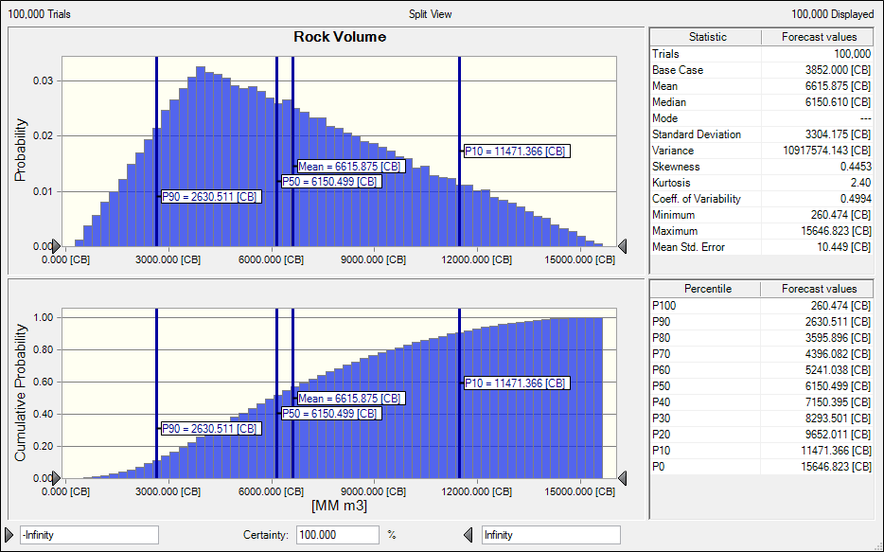
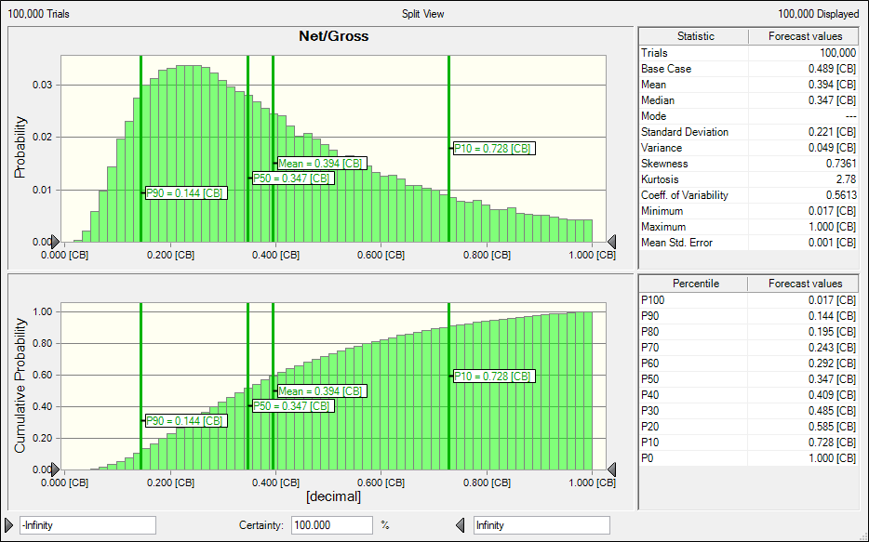
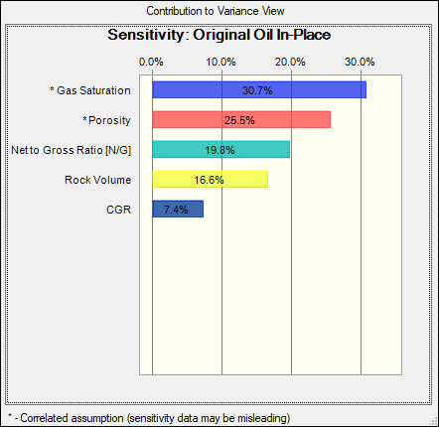
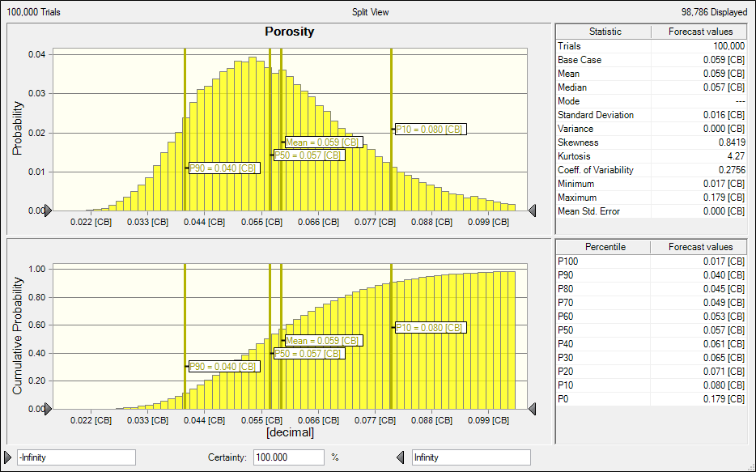
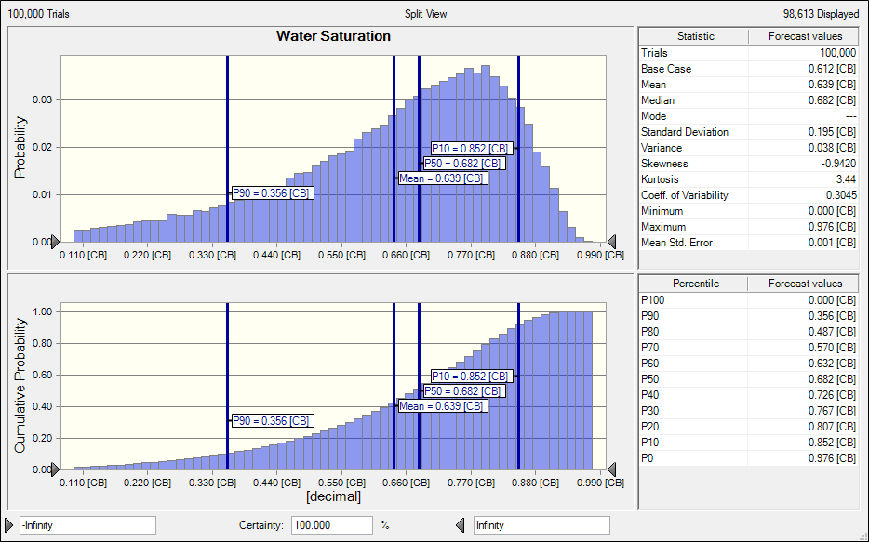
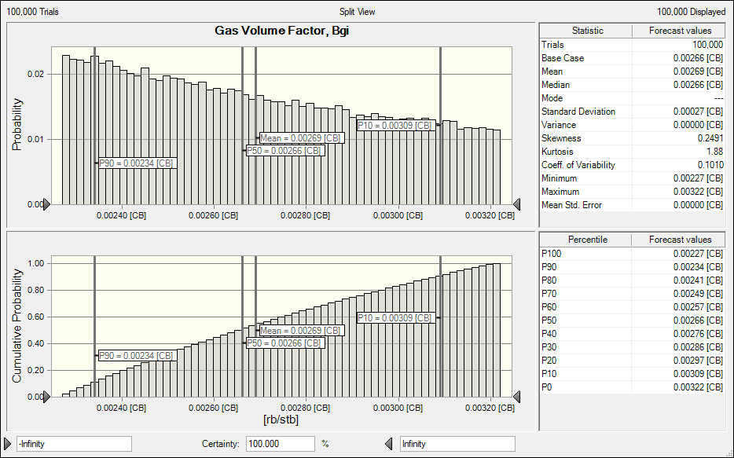
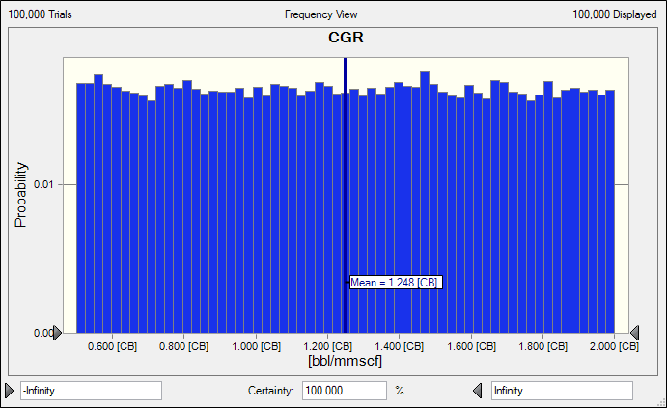
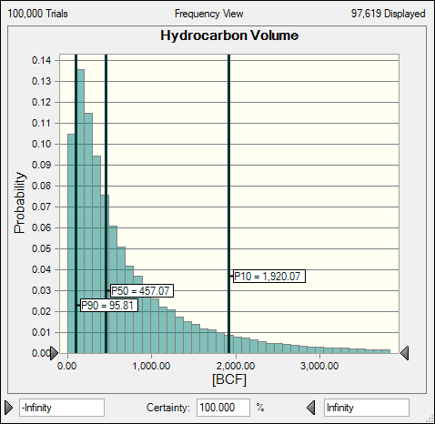
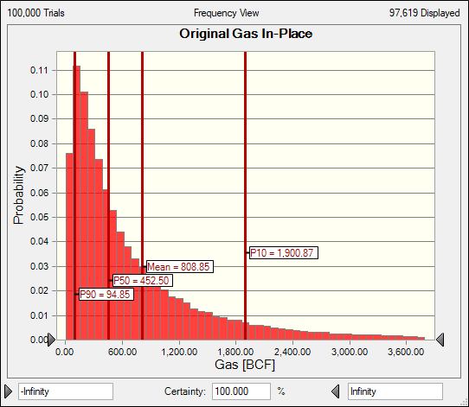
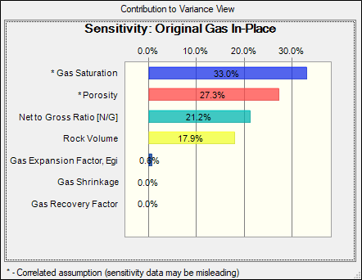

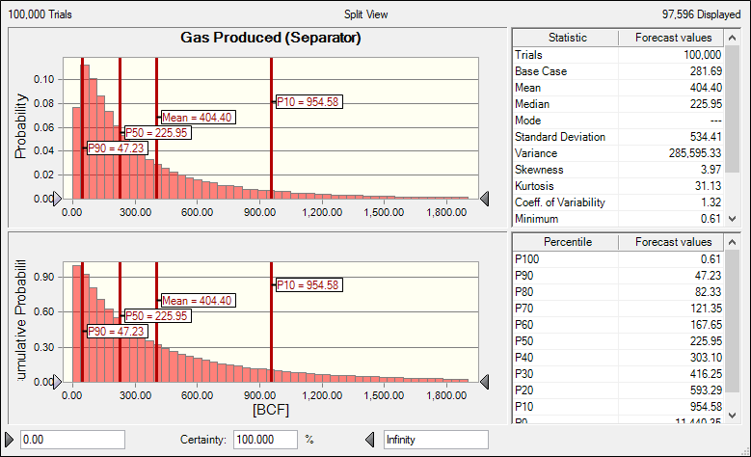
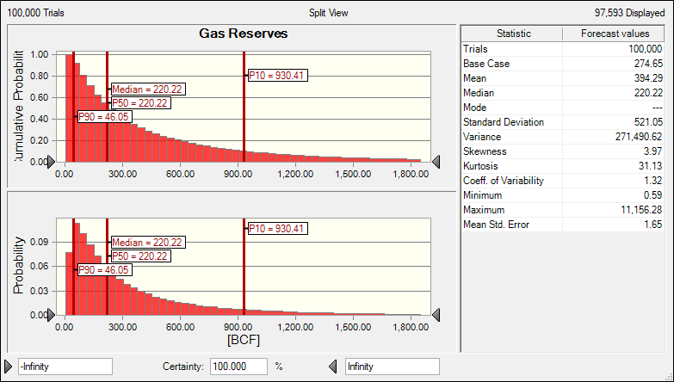
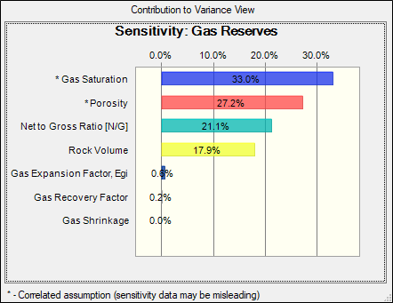

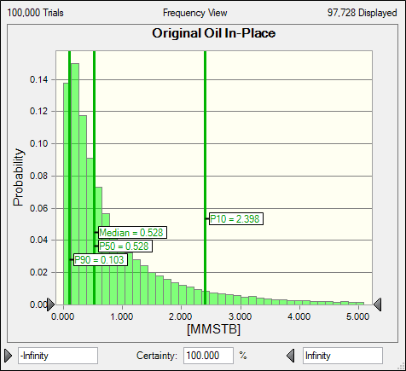
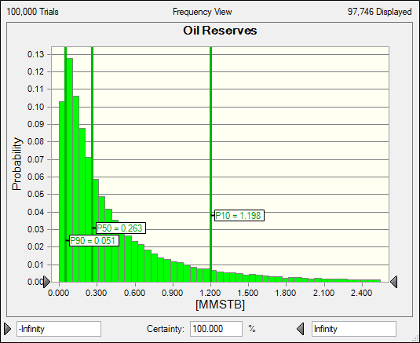
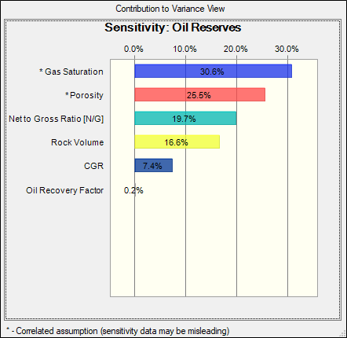
|Current Results|Sensitivity Charts|08. OGIP_FieldDev_EcoVal (20_Marzo_2023) mod pcFFSA.xlsm|Sensitivity Chart 1
|Current Results|Sensitivity Charts|08. OGIP_FieldDev_EcoVal (20_Marzo_2023) mod pcFFSA.xlsm|Sensitivity Chart 2
|Current Results|Sensitivity Charts|08. OGIP_FieldDev_EcoVal (20_Marzo_2023) mod pcFFSA.xlsm|Sensitivity Chart 3
|Current Results|Sensitivity Charts|08. OGIP_FieldDev_EcoVal (20_Marzo_2023) mod pcFFSA.xlsm|Sensitivity Chart 4
|Current Results|Sensitivity Charts|08. OGIP_FieldDev_EcoVal (20_Marzo_2023).xlsm|Sensitivity Chart 1
|Current Results|Sensitivity Charts|08. OGIP_FieldDev_EcoVal (20_Marzo_2023).xlsm|Sensitivity Chart 2
|Current Results|Sensitivity Charts|08. OGIP_FieldDev_EcoVal (20_Marzo_2023).xlsm|Sensitivity Chart 3
|Current Results|Sensitivity Charts|08. OGIP_FieldDev_EcoVal (20_Marzo_2023).xlsm|Sensitivity Chart 4

